Sheet1
Sample ID | User | Class Label | Trial No. | Lid Type | Placement Style / Rotation Speed | Duration (s) | Notes | Train/Test | Extra | Example： | first round |  | Session | User | Class | Number of Samples | Condition
1 | Lizi | place_down | 1 | medium lid | normal placement | 1.8 | clean sample | train |  |  |  |  | S1 | Lizi | place_down | 10 | normal placement
2 | Lizi | rotate_cw | 1 | medium lid | slow rotation | 1.5 | clear gz positive | train |  |  | each tyepe： |  | S1 | Lizi | place_down | 10 | light placement
3 | Lizi | rotate_ccw | 1 | medium lid | normal rotation | 1.4 | clear gz negative | train |  |  |  |  | S1 | Lizi | place_down | 10 | heavy placement
4 | Lizi | lift_up | 1 | medium lid | normal lift | 1.6 | full lift | train |  |  | 30 train |  | S2 | Lizi | rotate_cw | 10 | slow
5 | Lizi | idle | 1 | medium lid | stationary | 2 | no disturbance | train |  |  |  |  | S2 | Lizi | rotate_cw | 10 | normal
 |  |  |  |  |  |  |  |  |  |  | 10 test |  | S2 | Lizi | rotate_cw | 10 | fast
 |  |  |  |  |  |  |  |  |  |  |  |  | S3 | Lizi | rotate_ccw | 10 | slow
 |  |  |  |  |  |  | All using right hands |  |  |  | total： |  | S3 | Lizi | rotate_ccw | 10 | normal
Sample ID | User | Class Label | Trial No. | Lid Type | Placement Style / Rotation Speed | Duration (s) | Notes | Train/Test | Extra |  |  |  | S3 | Lizi | rotate_ccw | 10 | fast
place_down.6m3tdqf2 | Lizi | place_down | 1 | medium lid | normal | 2 |  | train | Total：50 samples |  |  |  | S4 | Lizi | lift_up | 10 | slow lift
place_down.6m3tq00e | Lizi | place_down | 1 | medium lid | heavy | 2 | straight down | train |  |  |  |  | S4 | Lizi | lift_up | 10 | normal lift
place_down.6m3tvuuf | Lizi | place_down | 1 | medium lid | light | 2 | slowly | train |  |  |  |  | S5 | Lizi | idle | 15 | still
place_down.6m3u21js | Lizi | place_down | 1 | medium lid | normal | 2 | a bit far | train |  |  |  |  | S5 | Lizi | idle | 15 | small ambient vibration
place_down.6m3u73hu | Lizi | place_down | 1 | medium lid | light | 2 |  | train
place_down.6m3ua99t | Lizi | place_down | 1 | medium lid | normal | 2 |  | train |  |  | Second Round
place_down.6m3ubv14 | Lizi | place_down | 1 | medium lid | heavy | 2 |  | train
place_down.6m3ueuag | Lizi | place_down | 1 | medium lid | normal | 2 |  | train |  |  | 50 train
place_down.6m3uggqk | Lizi | place_down | 1 | medium lid | heavy | 2 | not directly fit in pot | train |  |  |  |  | place_down |  |  | rotate_cw | rotate_ccw | lift_up | idle
place_down.6m3ujnqv | Lizi | place_down | 1 | medium lid | light | 2 |  | train |  |  | 15 test
rotate_cw.6m3uqjs0 | Lizi | rotate_cw | 1 | medium lid | fast | 1 | 90 degree | train |  |  |  |  | 起始：锅盖离锅有一定距离 |  |  | 起始：锅盖已经放好 | 和上面一样，但逆时针 | 起始：锅盖放在锅上 | 无 intentional motion
rotate_cw.6m3ut4ln | Lizi | rotate_cw | 1 | medium lid | normal | 1 | 45 degree | train
rotate_cw.6m3v3ef7 | Lizi | rotate_cw | 1 | medium lid | fast | 1 | 30 degree | train |  |  |  |  | 结束：锅盖稳定放下 |  |  | 动作：顺时针旋转约 20°–45° |  | 动作：完整抬起 | 可以包含轻微环境震动
rotate_cw.6m3v522f | Lizi | rotate_cw | 1 | medium lid | slow | 1 | 30 degree | train
rotate_cw.6m3v60f4 | Lizi | rotate_cw | 1 | medium lid | slow | 1 | 45 degree pot move a little bit | train |  |  |  |  | 目标：完整 downward placement |  |  | 结束：回到稳定状态 |  | 结束：锅盖明显离开锅 | 不能包含真实动作
rotate_cw.6m3v846j | Lizi | rotate_cw | 1 | medium lid | fast | 1 | 30 degree | train
rotate_cw.6m3v9f04 | Lizi | rotate_cw | 1 | medium lid | normal | 1 | 30 degree | train
rotate_cw.6m3vamk0 | Lizi | rotate_cw | 1 | medium lid | fast | 1 | 30 degree | train |  |  |  |  | [IDLE]
rotate_cw.6m3vc8e9 | Lizi | rotate_cw | 1 | medium lid | slow | 1 | 20 degree | train |  |  |  |  | ↓ place_down |  |  | place_down = final placement event
rotate_cw.6m3vdhc7 | Lizi | rotate_cw | 1 | medium lid | normal | 1 | 45 degree pot move a little bit | train |  |  |  |  | [TIMER_RUNNING]
rotate_ccw.6m3vh9af | Lizi | rotate_ccw | 1 | medium lid | normal | 1 | 45 degree | train |  |  |  |  | ↓ rotate_cw |  |  | rotate_cw = short clockwise adjustment while lid is on pot
rotate_ccw.6m3vivp6 | Lizi | rotate_ccw | 1 | medium lid | normal | 1 | 30 degree shaking slightly | train |  |  |  |  | [ADD_5_MIN]
rotate_ccw.6m3vl45r | Lizi | rotate_ccw | 1 | medium lid | slow | 1 | 30 degree | train |  |  |  |  | ↓ return |  |  | rotate_ccw = short anti-clockwise adjustment while lid is on pot
rotate_ccw.6m3vnc8v | Lizi | rotate_ccw | 1 | medium lid | fast | 1 | 45 degree pot move a little bit | train |  |  |  |  | [TIMER_RUNNING]
rotate_ccw.6m3vog8h | Lizi | rotate_ccw | 1 | medium lid | fast | 1 | 30 degree shaking slightly | train |  |  |  |  | ↓ rotate_ccw |  |  | lift_up = initial lifting event from resting position
rotate_ccw.6m3vph5u | Lizi | rotate_ccw | 1 | medium lid | slow | 1 | 30 degree shaking slightly | train |  |  |  |  | [MINUS_5_MIN]
rotate_ccw.6m3vqfe1 | Lizi | rotate_ccw | 1 | medium lid | slow | 1 | 30 degree shaking slightly | train |  |  |  |  | ↓ return |  |  | idle = no intentional lid interaction
rotate_ccw.6m3vrh3n | Lizi | rotate_ccw | 1 | medium lid | normal | 1 | 30 degree shaking slightly | train |  |  |  |  | [TIMER_RUNNING]
rotate_ccw.6m403jqa | Lizi | rotate_ccw | 1 | medium lid | fast | 1 | 90 degree shaking slightly | train |  |  |  |  | ↓ timer reaches 0
rotate_ccw.6m407llo | Lizi | rotate_ccw | 1 | medium lid | normal | 1 | 45 degree pot move a little bit | train |  |  |  |  | [ALARM]
lift_up.6m40eota | Lizi | lift_up | 1 | medium lid | normal | 1 |  | train |  |  |  |  | ↓ lift_up
lift_up.6m40frm6 | Lizi | lift_up | 1 | medium lid | normal | 1 |  | train |  |  |  |  | [RESET / IDLE]
lift_up.6m40gp68 | Lizi | lift_up | 1 | medium lid | fast | 1 |  | train
lift_up.6m40hhm3 | Lizi | lift_up | 1 | medium lid | slow | 1 |  | train
lift_up.6m40j7m4 | Lizi | lift_up | 1 | medium lid | normal | 1 |  | train
lifp.6m40jspn | Lizi | lift_up | 1 | medium lid | fast | 1 |  | train
lift_up.6m40klhc | Lizi | lift_up | 1 | medium lid | normal | 1 |  | train
lift_up.6m40le65 | Lizi | lift_up | 1 | medium lid | slow | 1 |  | train | Delete：same as idle
lift_up.6m40of2i | Lizi | lift_up | 1 | medium lid | fast | 1 | more higher | train
lift_up.6m40pmhi | Lizi | lift_up | 1 | medium lid | slow | 1 |  | train
idle.6m40ti1p | Lizi | idle | 1 | medium lid | still | 2 |  | train
idle.6m40umsb | Lizi | idle | 1 | medium lid | small ambient vibration | 2 | cut the vegetables | train
idle.6m4105bd | Lizi | idle | 1 | medium lid | position move | 2 | pot move | train
idle.6m411bfb | Lizi | idle | 1 | medium lid | still | 2 |  | train
idle.6m41232o | Lizi | idle | 1 | medium lid | position move | 2 | pot move | train
idle.6m412uqv | Lizi | idle | 1 | medium lid | small ambient vibration | 2 | cut the vegetables | train
idle.6m413n24 | Lizi | idle | 1 | medium lid | still | 2 |  | train
idle.6m414bvv | Lizi | idle | 1 | medium lid | small ambient vibration | 2 | cut the vegetables | train
idle.6m4159jc | Lizi | idle | 1 | medium lid | position move | 2 | pot move | train
idle.6mibrjqp | Lizi | idle | 1 | medium lid | still | 2 |  | train


 |  |  |  |  |  |  | The Feature Explorer result is quite good; the scatter plot clusters into different cloud-like patterns.

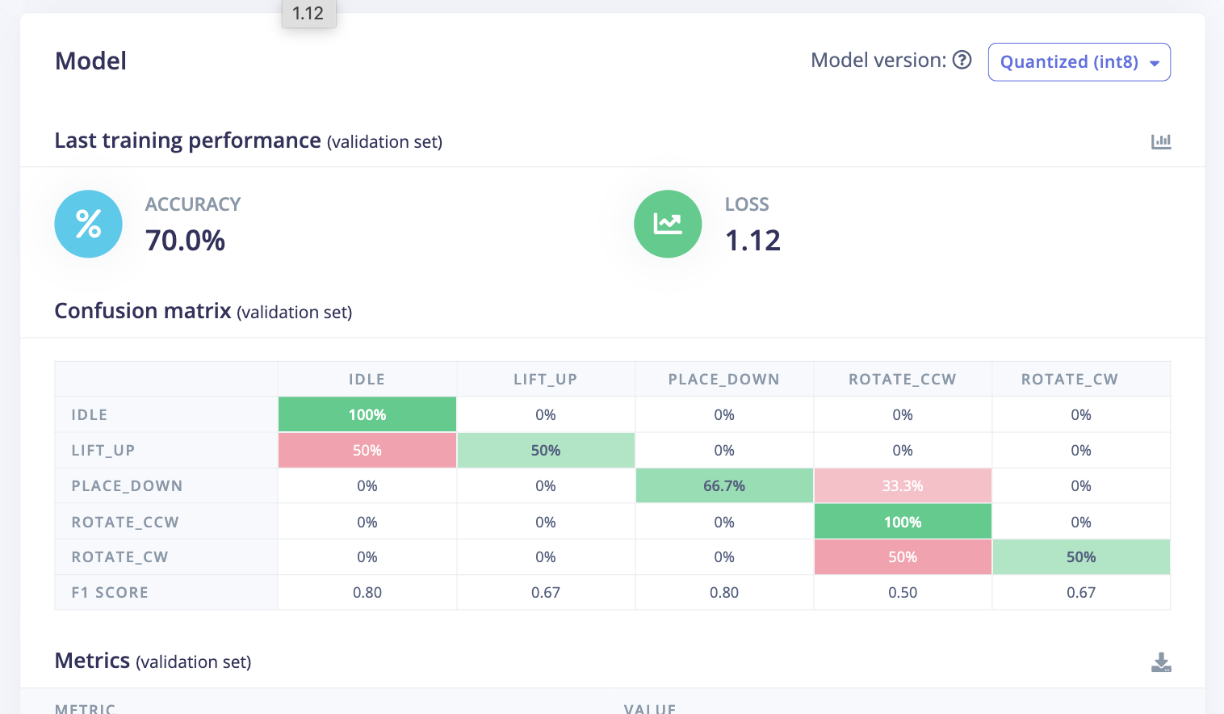
 |  |  |  |  |  |  | iHowever, the training model suffers from two problems: 1. Insufficient training samples, making it difficult to distinguish between clockwise and counterclockwise directions; 2. The 2-second liftup observation time is a bit long, causing it to enter an idle state.dle

 |  |  |  |  |  |  | Through live classification, place down is always defined as idle, and both clockwise and counterclockwise directions are identified as counterclockwise.
 |  |  |  |  |  |  | idle is defined as uncertain, although it is inferred that idle51.3

 |  |  |  |  |  |  | All using right hands
Sample ID | User | Class Label | Trial No. | Lid Type | Placement Style / Rotation Speed | Duration (s) | Notes | Train/Test | Extra
place_down.6m3tdqf2 | Lizi | place_down | 2 | medium lid | normal | 1 |  | train | modify 2s to 1s
place_down.6m3tq00e | Lizi | place_down | 2 | medium lid | heavy | 1 | straight down | train | Total: 124 samples for training. 25 for each group except lift_up got 24
place_down.6m3tvuuf | Lizi | place_down | 2 | medium lid | light | 1 | slowly | train | 5 samples for each label testing
place_down.6m3u21js | Lizi | place_down | 2 | medium lid | normal | 1 | a bit far | train
place_down.6m3u73hu | Lizi | place_down | 2 | medium lid | light | 1 |  | train
place_down.6m3ua99t | Lizi | place_down | 2 | medium lid | normal | 1 |  | train
place_down.6m3ubv14 | Lizi | place_down | 2 | medium lid | heavy | 1 |  | train
place_down.6m3ueuag | Lizi | place_down | 2 | medium lid | normal | 1 |  | train
place_down.6m3uggqk | Lizi | place_down | 2 | medium lid | heavy | 1 | not directly fit in pot | train
place_down.6m3ujnqv | Lizi | place_down | 2 | medium lid | light | 1 |  | train
rotate_cw.6m3uqjs0 | Lizi | rotate_cw | 2 | medium lid | fast | 1 | 90 degree | train
rotate_cw.6m3ut4ln | Lizi | rotate_cw | 2 | medium lid | normal | 1 | 45 degree | train
rotate_cw.6m3v3ef7 | Lizi | rotate_cw | 2 | medium lid | fast | 1 | 30 degree | train
rotate_cw.6m3v522f | Lizi | rotate_cw | 2 | medium lid | slow | 1 | 30 degree | train
rotate_cw.6m3v60f4 | Lizi | rotate_cw | 2 | medium lid | slow | 1 | 45 degree pot move a little bit | train
rotate_cw.6m3v846j | Lizi | rotate_cw | 2 | medium lid | fast | 1 | 30 degree | train
rotate_cw.6m3v9f04 | Lizi | rotate_cw | 2 | medium lid | normal | 1 | 30 degree | train
rotate_cw.6m3vamk0 | Lizi | rotate_cw | 2 | medium lid | fast | 1 | 30 degree | train
rotate_cw.6m3vc8e9 | Lizi | rotate_cw | 2 | medium lid | slow | 1 | 20 degree | train
rotate_cw.6m3vdhc7 | Lizi | rotate_cw | 2 | medium lid | normal | 1 | 45 degree pot move a little bit | train
rotate_ccw.6m3vh9af | Lizi | rotate_ccw | 2 | medium lid | normal | 1 | 45 degree | train
rotate_ccw.6m3vivp6 | Lizi | rotate_ccw | 2 | medium lid | normal | 1 | 30 degree shaking slightly | train
rotate_ccw.6m3vl45r | Lizi | rotate_ccw | 2 | medium lid | slow | 1 | 30 degree | train
rotate_ccw.6m3vnc8v | Lizi | rotate_ccw | 2 | medium lid | fast | 1 | 45 degree pot move a little bit | train
rotate_ccw.6m3vog8h | Lizi | rotate_ccw | 2 | medium lid | fast | 1 | 30 degree shaking slightly | train
rotate_ccw.6m3vph5u | Lizi | rotate_ccw | 2 | medium lid | slow | 1 | 30 degree shaking slightly | train
rotate_ccw.6m3vqfe1 | Lizi | rotate_ccw | 2 | medium lid | slow | 1 | 30 degree shaking slightly | train
rotate_ccw.6m3vrh3n | Lizi | rotate_ccw | 2 | medium lid | normal | 1 | 30 degree shaking slightly | train
rotate_ccw.6m403jqa | Lizi | rotate_ccw | 2 | medium lid | fast | 1 | 90 degree shaking slightly | train
rotate_ccw.6m407llo | Lizi | rotate_ccw | 2 | medium lid | normal | 1 | 45 degree pot move a little bit | train
lift_up.6m40eota | Lizi | lift_up | 2 | medium lid | normal | 1 |  | train
lift_up.6m40frm6 | Lizi | lift_up | 2 | medium lid | normal | 1 |  | train
lift_up.6m40gp68 | Lizi | lift_up | 2 | medium lid | fast | 1 |  | train
lift_up.6m40hhm3 | Lizi | lift_up | 2 | medium lid | slow | 1 |  | train
lift_up.6m40j7m4 | Lizi | lift_up | 2 | medium lid | normal | 1 |  | train
lifp.6m40jspn | Lizi | lift_up | 2 | medium lid | fast | 1 |  | train
lift_up.6m40klhc | Lizi | lift_up | 2 | medium lid | normal | 1 |  | train
lift_up.6m40of2i | Lizi | lift_up | 2 | medium lid | fast | 1 | more higher | train
lift_up.6m40pmhi | Lizi | lift_up | 2 | medium lid | slow | 1 |  | train
idle.6m40ti1p | Lizi | idle | 2 | medium lid | still | 2 |  | train
idle.6m40umsb | Lizi | idle | 2 | medium lid | small ambient vibration | 2 | cut the vegetables | train
idle.6m4105bd | Lizi | idle | 2 | medium lid | position move | 2 | pot move | train
idle.6m411bfb | Lizi | idle | 2 | medium lid | still | 2 |  | train
idle.6m41232o | Lizi | idle | 2 | medium lid | position move | 2 | pot move | train
idle.6m412uqv | Lizi | idle | 2 | medium lid | small ambient vibration | 2 | cut the vegetables | train
idle.6m413n24 | Lizi | idle | 2 | medium lid | still | 2 |  | train
idle.6m414bvv | Lizi | idle | 2 | medium lid | small ambient vibration | 2 | cut the vegetables | train
idle.6m4159jc | Lizi | idle | 2 | medium lid | position move | 2 | pot move | train
idle.6mibrjqp | Lizi | idle | 2 | medium lid | still | 2 |  | train
place_down.6miit2ac | Lizi | place_down | 2 | medium lid | normal | 1 | not directly fit in pot | train
place_down.6miiuf06 | Lizi | place_down | 2 | medium lid | normal | 1 | not directly fit in pot | train
place_down.6miivbdh | Lizi | place_down | 2 | medium lid | normal | 1 |  | train
place_down.6mij2la2 | Lizi | place_down | 2 | medium lid | normal | 1 |  | train
place_down.6mij4vdn | Lizi | place_down | 2 | medium lid | normal | 1 | clear | train
place_down.6mij7ne5 | Lizi | place_down | 2 | medium lid | light | 1 |  | train
place_down.6mij8otr | Lizi | place_down | 2 | medium lid | light | 1 | only record final part | train
place_down.6mijauqa | Lizi | place_down | 2 | medium lid | light | 1 |  | train
place_down.6mijbtij | Lizi | place_down | 2 | medium lid | light | 1 |  | train
place_down.6mijcmkn | Lizi | place_down | 2 | medium lid | light | 1 | not clean, shaking at the end | train
place_down.6mijdqbg | Lizi | place_down | 2 | medium lid | heavy | 1 |  | train
place_down.6mijeh1a | Lizi | place_down | 2 | medium lid | heavy | 1 |  | train
place_down.6mijfgml | Lizi | place_down | 2 | medium lid | heavy | 1 |  | train
place_down.6mijhkt4 | Lizi | place_down | 2 | medium lid | heavy | 1 | sensor move a bit | train
place_down.6mijim8u | Lizi | place_down | 2 | medium lid | heavy | 1 |  | train
rotate_cw.6mijk0n3 | Lizi | rotate_cw | 2 | medium lid | normal | 1 | 90 degree | train
rotate_cw.6mijl4i2 | Lizi | rotate_cw | 2 | medium lid | normal | 1 | 45 degree | train
rotate_cw.6mijnffb | Lizi | rotate_cw | 2 | medium lid | normal | 1 | 60 degree | train
rotate_cw.6mijprla | Lizi | rotate_cw | 2 | medium lid | normal | 1 | 45 degree | train
rotate_cw.6mijr771 | Lizi | rotate_cw | 2 | medium lid | normal | 1 | 60 degree | train
rotate_cw.6mijs6c9 | Lizi | rotate_cw | 2 | medium lid | fast | 1 | 60 degree | train
rotate_cw.6mijt29l | Lizi | rotate_cw | 2 | medium lid | fast | 1 | 60 degree | train
rotate_cw.6mijuhfr | Lizi | rotate_cw | 2 | medium lid | fast | 1 | 30 degree | train
rotate_cw.6mijv8n0 | Lizi | rotate_cw | 2 | medium lid | fast | 1 | 45 degree | train
rotate_cw.6mik04fb | Lizi | rotate_cw | 2 | medium lid | fast | 1 | 45 degree | train
rotate_cw.6mik1qd7 | Lizi | rotate_cw | 2 | medium lid | slow | 1 | 45 degree | train
rotate_cw.6mik2u0i | Lizi | rotate_cw | 2 | medium lid | slow | 1 | 30 degree | train
rotate_cw.6mik3kvp | Lizi | rotate_cw | 2 | medium lid | slow | 1 | 45 degree | train
rotate_cw.6mik472c | Lizi | rotate_cw | 2 | medium lid | slow | 1 | 60 degree | train
rotate_cw.6mik561n | Lizi | rotate_cw | 2 | medium lid | slow | 1 | 45 degree | train
rotate_ccw.6mik6glq | Lizi | rotate_ccw | 2 | medium lid | normal | 1 | 90 degree | train
rotate_ccw.6mik9d2d | Lizi | rotate_ccw | 2 | medium lid | normal | 1 | 90 degree | train
rotate_ccw.6mika29a | Lizi | rotate_ccw | 2 | medium lid | normal | 1 | 60 degree | train
rotate_ccw.6mikago1 | Lizi | rotate_ccw | 2 | medium lid | normal | 1 | 90 degree | train
rotate_ccw.6mikbman | Lizi | rotate_ccw | 2 | medium lid | normal | 1 | 45 degree | train
rotate_ccw.6mikcabq | Lizi | rotate_ccw | 2 | medium lid | fast | 1 | 90 degree | train
rotate_ccw.6mikd1nu | Lizi | rotate_ccw | 2 | medium lid | fast | 1 | 60 degree | train
rotate_ccw.6mikdjcn | Lizi | rotate_ccw | 2 | medium lid | fast | 1 | 60 degree | train
rotate_ccw.6mikecet | Lizi | rotate_ccw | 2 | medium lid | fast | 1 | 90 degree | train
rotate_ccw.6mikf2s2 | Lizi | rotate_ccw | 2 | medium lid | fast | 1 | 30 degree | train
rotate_ccw.6mikfp1t | Lizi | rotate_ccw | 2 | medium lid | slow | 1 | 45 degree | train | type slow moves not smoothly
rotate_ccw.6mikgd3c | Lizi | rotate_ccw | 2 | medium lid | slow | 1 | 45 degree | train
rotate_ccw.6mikgvc7 | Lizi | rotate_ccw | 2 | medium lid | slow | 1 | 60 degree | train
rotate_ccw.6miki922 | Lizi | rotate_ccw | 2 | medium lid | slow | 1 | 90 degree | train
rotate_ccw.6mikitt2 | Lizi | rotate_ccw | 2 | medium lid | slow | 1 | 90 degree | train
lift_up.6mikljdi | Lizi | lift_up | 2 | medium lid | normal | 1 |  | train
lift_up.6mikmdjg | Lizi | lift_up | 2 | medium lid | normal | 1 |  | train
lift_up.6mikna9d | Lizi | lift_up | 2 | medium lid | normal | 1 |  | train
lift_up.6miknte1 | Lizi | lift_up | 2 | medium lid | normal | 1 |  | train
lifS=lt_up.6mikoedc | Lizi | lift_up | 2 | medium lid | normal | 1 |  | train
lift_up.6mikq1u5 | Lizi | lift_up | 2 | medium lid | fast | 1 |  | train
lift_up.6miksptc | Lizi | lift_up | 2 | medium lid | fast | 1 |  | train
lift_up.6miktk8p | Lizi | lift_up | 2 | medium lid | fast | 1 |  | train
lift_up.6mikv5dd | Lizi | lift_up | 2 | medium lid | fast | 1 |  | train
lift_up.6mikvrl8 | Lizi | lift_up | 2 | medium lid | fast | 1 |  | train
lift_up.6mil1468 | Lizi | lift_up | 2 | medium lid | slow | 1 |  | train
lift_up.6mil1klu | Lizi | lift_up | 2 | medium lid | slow | 1 |  | train
lift_up.6mil24l3 | Lizi | lift_up | 2 | medium lid | slow | 1 |  | train
lift_up.6mil2js3 | Lizi | lift_up | 2 | medium lid | slow | 1 |  | train
lift_up.6mil3ni6 | Lizi | lift_up | 2 | medium lid | slow | 1 |  | train
idle.6mil4vp9 | Lizi | idle | 2 | medium lid | small ambient vibration | 2 | cut the vegetables | train
idle.6mil8toe | Lizi | idle | 2 | medium lid | small ambient vibration | 2 | cut the vegetables | train
idle.6mil9r3s | Lizi | idle | 2 | medium lid | small ambient vibration | 2 | cut the vegetables | train
idle.6milaqdr | Lizi | idle | 2 | medium lid | small ambient vibration | 2 | cut the vegetables | train
idle.6milbdhs | Lizi | idle | 2 | medium lid | small ambient vibration | 2 | place heavy things | train
idle.6milc8j4 | Lizi | idle | 2 | medium lid | still | 2 |  | train
idle.6milcr00 | Lizi | idle | 2 | medium lid | still | 2 |  | train
idle.6mildc13 | Lizi | idle | 2 | medium lid | still | 2 |  | train
idle.6mile2kn | Lizi | idle | 2 | medium lid | still | 2 |  | train
idle.6milemec | Lizi | idle | 2 | medium lid | still | 2 |  | train
idle.6milg0nr | Lizi | idle | 2 | medium lid | position move | 2 | pot move | train
idle.6milh243 | Lizi | idle | 2 | medium lid | position move | 2 | pot move | train
idle.6milil4c | Lizi | idle | 2 | medium lid | position move | 2 | pot move | train
idle.6milj5aj | Lizi | idle | 2 | medium lid | position move | 2 | pot move | train
idle.6miljjpp | Lizi | idle | 2 | medium lid | position move | 2 | pot move | train
place_down.6milr56l | Lizi | place_down | 2 | medium lid | normal | 1 | not directly fit in pot | test
place_down.6milsuuh | Lizi | place_down | 2 | medium lid | fast | 1 |  | test
place_down.6milto27 | Lizi | place_down | 2 | medium lid | slow | 1 |  | test
place_down.6mim1fev | Lizi | place_down | 2 | medium lid | fast | 1 |  | test
place_down.6mim2g9e | Lizi | place_down | 2 | medium lid | normal | 1 |  | test
rotate_cw.6mim3edi | Lizi | rotate_cw | 2 | medium lid | normal | 1 |  | test
rotate_cw.6mim4a7e | Lizi | rotate_cw | 2 | medium lid | slow | 1 |  | test
rotate_cw.6mim4rpq | Lizi | rotate_cw | 2 | medium lid | fast | 1 |  | test
rotate_cw.6mim5es5 | Lizi | rotate_cw | 2 | medium lid | normal | 1 |  | test
rotate_cw.6mim65s3 | Lizi | rotate_cw | 2 | medium lid | slow | 1 |  | test
rotate_ccw.6mim77j5 | Lizi | rotate_ccw | 2 | medium lid | slow | 1 |  | test
rotate_ccw.6mim7qv7 | Lizi | rotate_ccw | 2 | medium lid | fast | 1 |  | test
rotate_ccw.6mim8avi | Lizi | rotate_ccw | 2 | medium lid | normal | 1 |  | test
rotate_ccw.6mim8rdn | Lizi | rotate_ccw | 2 | medium lid | normal | 1 |  | test
rotate_ccw.6mim9egf | Lizi | rotate_ccw | 2 | medium lid | fast | 1 |  | test
lift_up.6mima6ss | Lizi | lift_up | 2 | medium lid | normal | 1 |  | test
lift_up.6mimas60 | Lizi | lift_up | 2 | medium lid | slow | 1 |  | test
lift_up.6mimbe8t | Lizi | lift_up | 2 | medium lid | fast | 1 |  | test
lifS=lt_up.6mimc0kn | Lizi | lift_up | 2 | medium lid | slow | 1 |  | test
lift_up.6mimd63b | Lizi | lift_up | 2 | medium lid | normal | 1 |  | test
idle.6mimg90a | Lizi | idle | 2 | medium lid | position move | 2 |  | test
idle.6mimh7pi | Lizi | idle | 2 | medium lid | small ambient vibration | 2 |  | test
idle.6mimi61p | Lizi | idle | 2 | medium lid | still | 2 |  | test
idle.6mimild2 | Lizi | idle | 2 | medium lid | small ambient vibration | 2 |  | test
idle.6mimj6hm | Lizi | idle | 2 | medium lid | position move | 2 |  | test
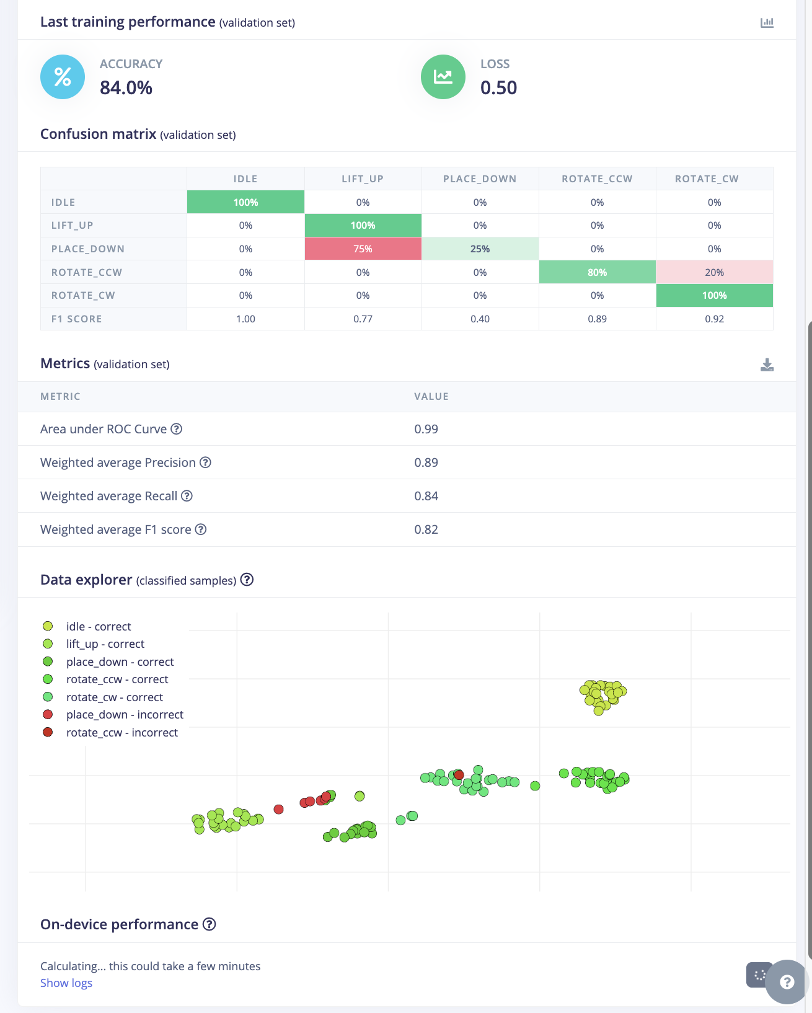
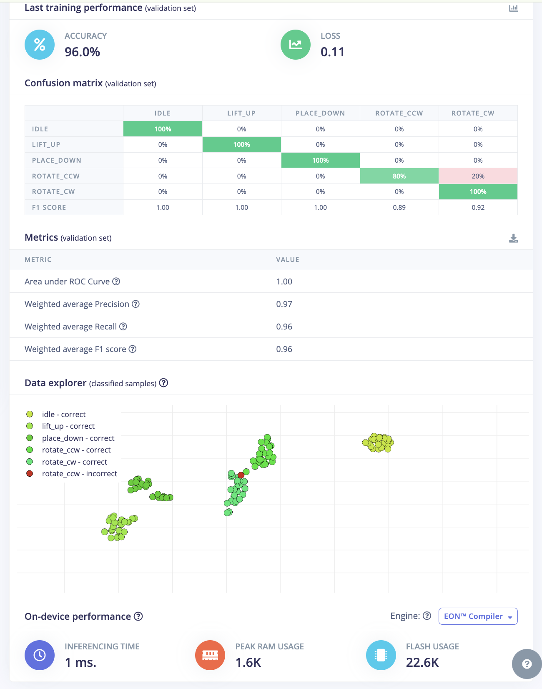
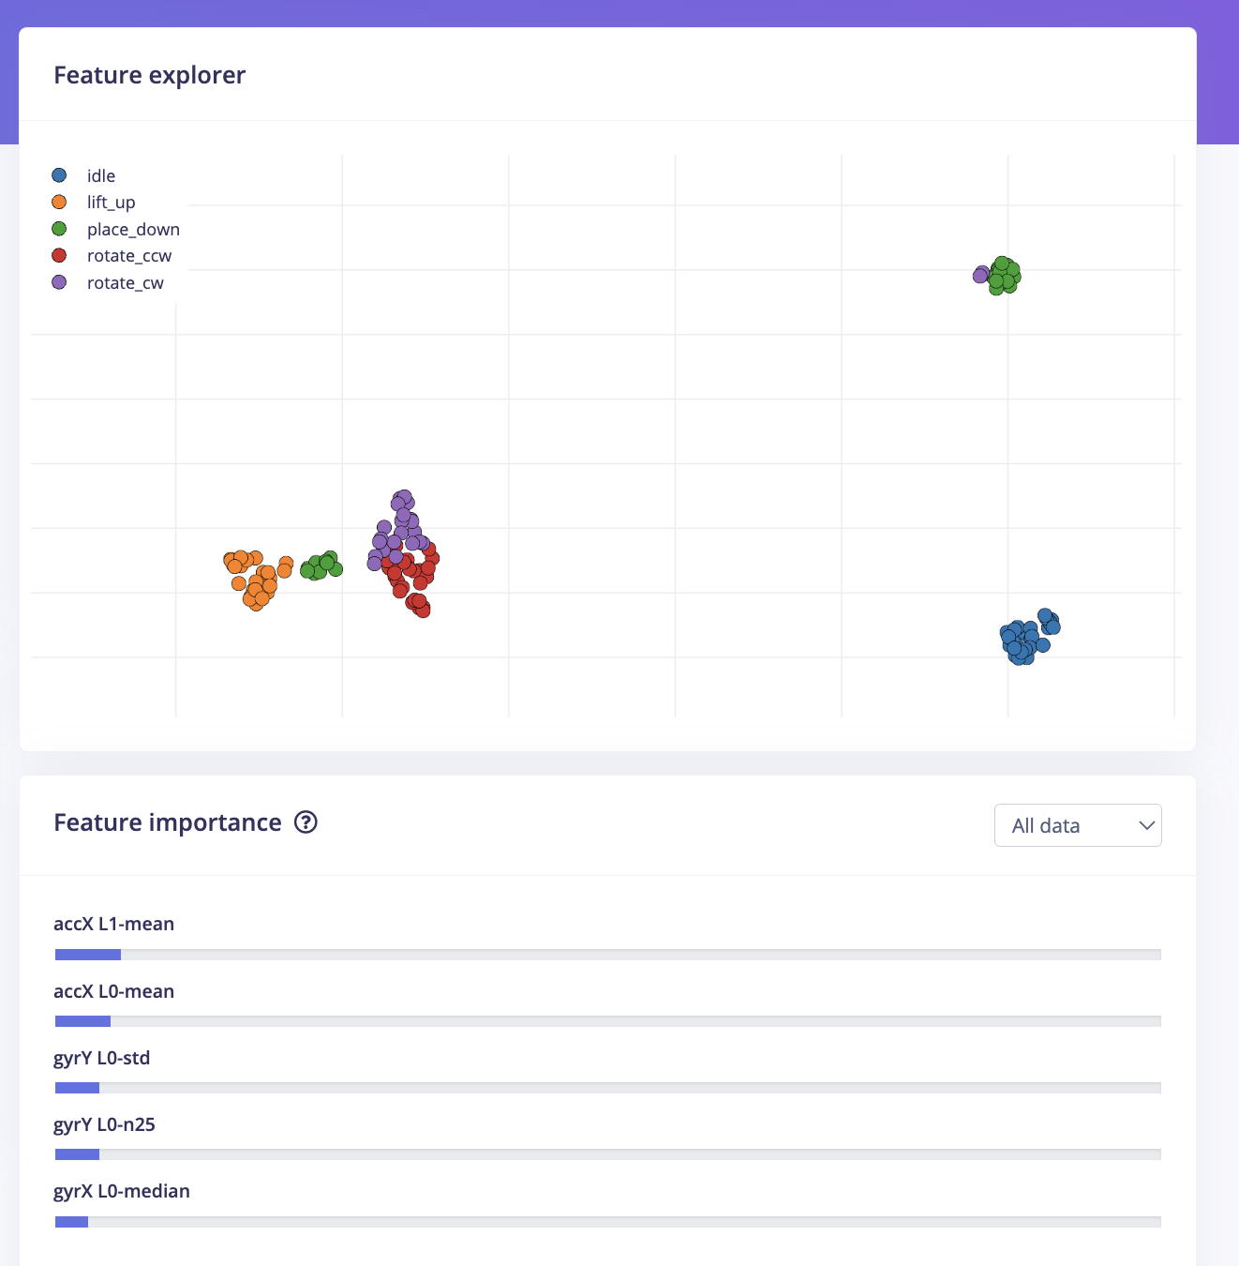
 |  |  |  |  |  |  |  |  |  |  |  |  |  |  | 用了live classfication，但如果设置2000ms，来做rotate不管是顺逆，
 |  |  |  |  |  |  |  |  |  |  |  |  |  |  | 都会被识别idle，然后lift up被当作placedown，但是，如果都设置为1000ms，
 |  |  |  |  |  |  |  |  |  |  |  |  |  |  | 除了idle都是准确的，每个动作都测了一遍，idle就是会被识别成rotate，

这个两个正确率之间 dense 的layer 从 20 10 变成36 12

这个改了cut-off frequency 5.几 到10
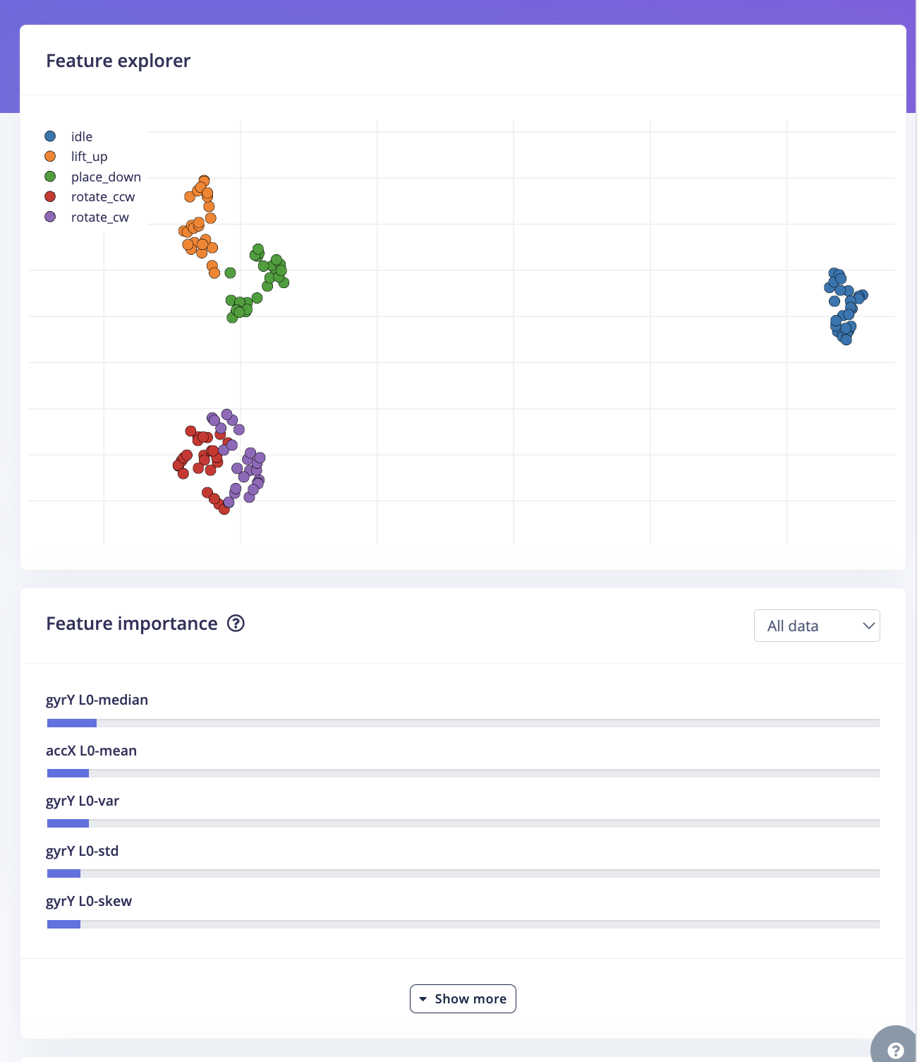
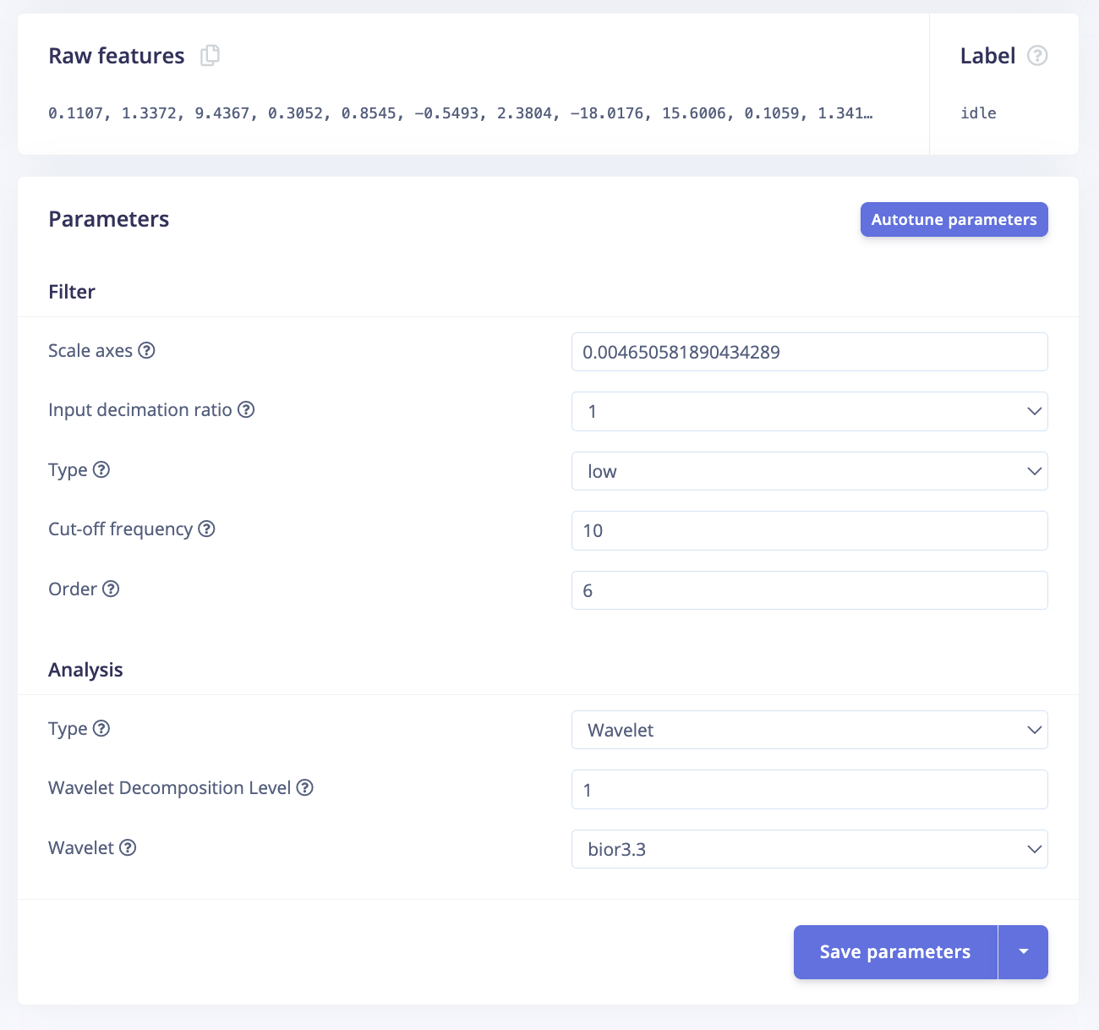
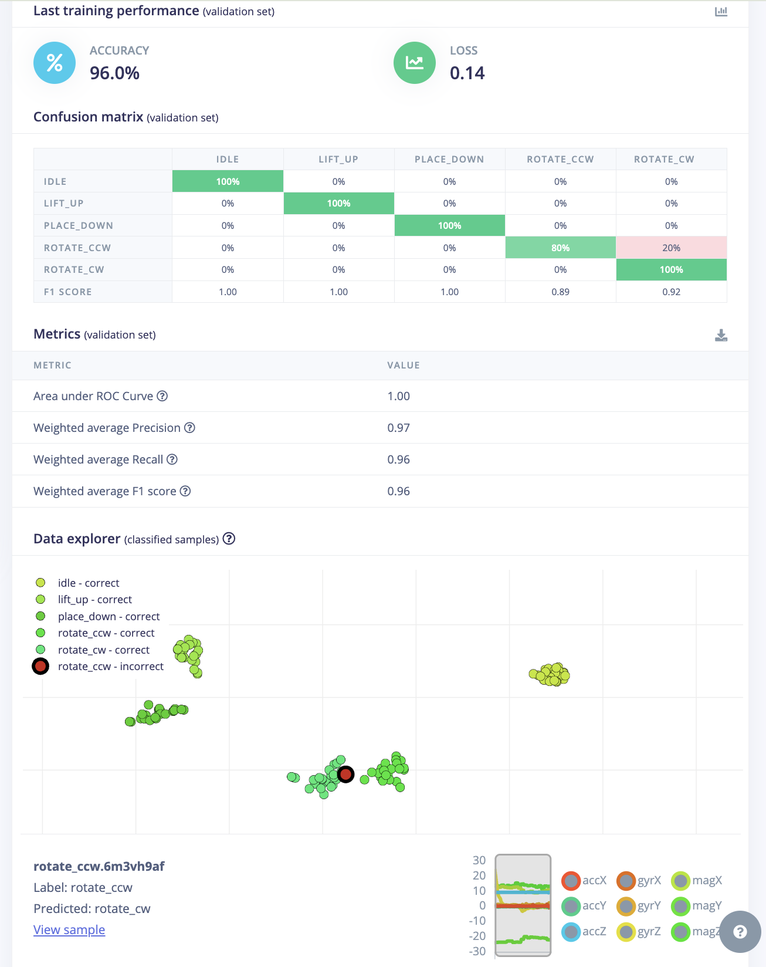
 |  |  |  |  |  |  |  |  |  |  |  | live 的 还是不行

在Impulse design 里添加了 Anomaly detection (K-means) 模块


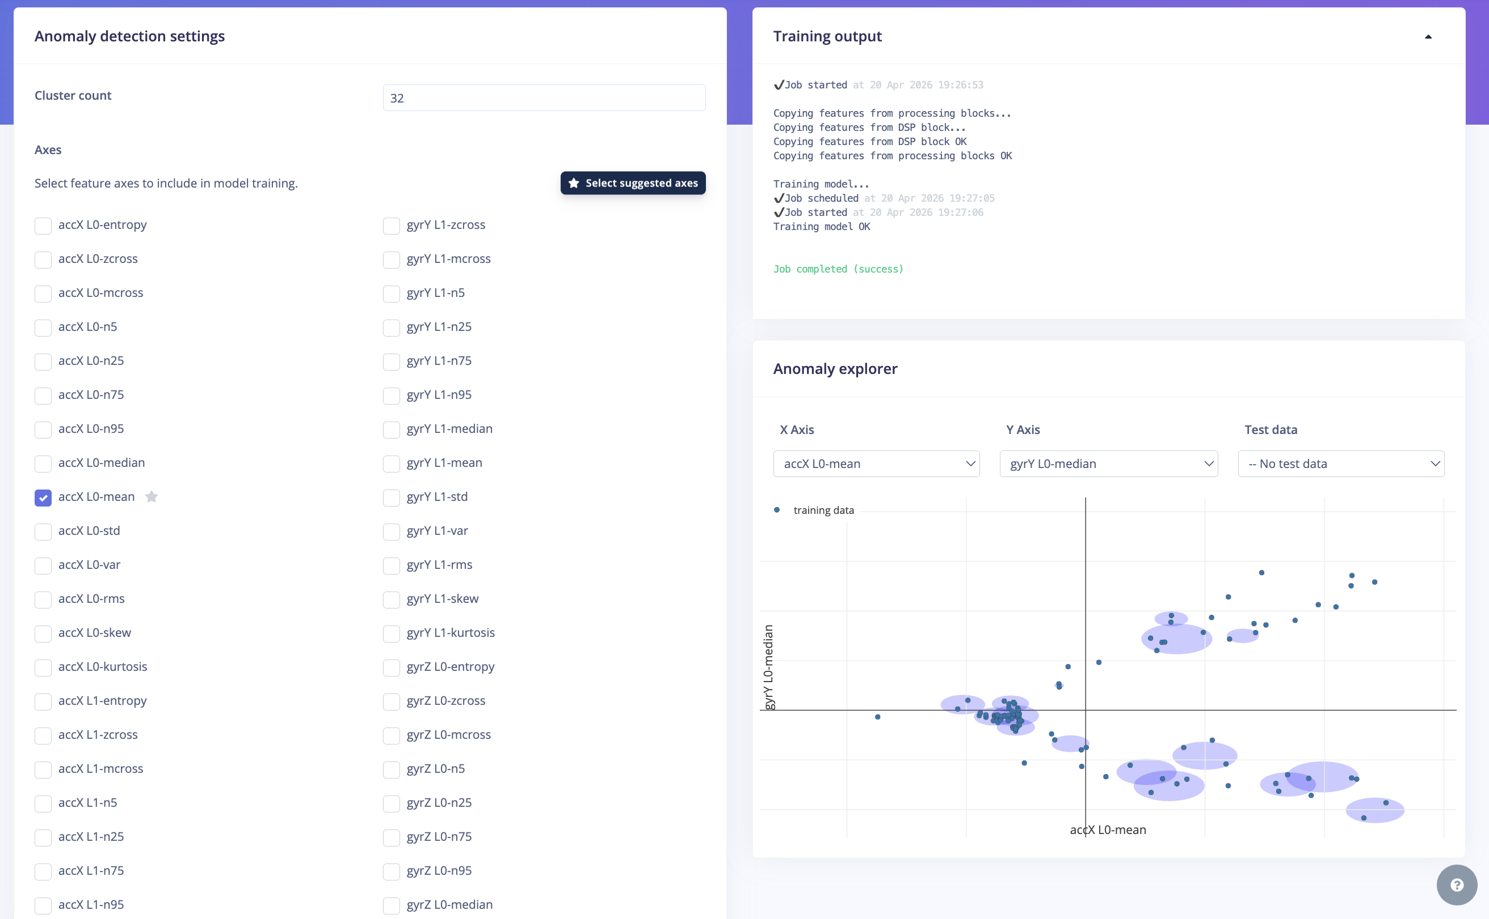

没太解决live的问题

现在是发现特征一致性的道理，把所有的idle 也都改成1000ms
所有标签的长度必须严格对齐。 只有当 Idle、Lift、Rotate 都在同一个时间尺度1000ms下竞争时，AI 才能精准地通过“振幅”和“频率”来区分谁是谁。

 |  |  |  |  |  |  | All using right hands
Sample ID | User | Class Label | Trial No. | Lid Type | Placement Style / Rotation Speed | Duration (s) | Notes | Train/Test | Extra
place_down.6m3tdqf2 | Lizi | place_down | 3 | medium lid | normal | 1 |  | train | split sample from 2s to two 1s
place_down.6m3tq00e | Lizi | place_down | 3 | medium lid | heavy | 1 | straight down | train
place_down.6m3tvuuf | Lizi | place_down | 3 | medium lid | light | 1 | slowly | train
place_down.6m3u21js | Lizi | place_down | 3 | medium lid | normal | 1 | a bit far | train
place_down.6m3u73hu | Lizi | place_down | 3 | medium lid | light | 1 |  | train
place_down.6m3ua99t | Lizi | place_down | 3 | medium lid | normal | 1 |  | train
place_down.6m3ubv14 | Lizi | place_down | 3 | medium lid | heavy | 1 |  | train
place_down.6m3ueuag | Lizi | place_down | 3 | medium lid | normal | 1 |  | train
place_down.6m3uggqk | Lizi | place_down | 3 | medium lid | heavy | 1 | not directly fit in pot | train
place_down.6m3ujnqv | Lizi | place_down | 3 | medium lid | light | 1 |  | train
rotate_cw.6m3uqjs0 | Lizi | rotate_cw | 3 | medium lid | fast | 1 | 90 degree | train
rotate_cw.6m3ut4ln | Lizi | rotate_cw | 3 | medium lid | normal | 1 | 45 degree | train
rotate_cw.6m3v3ef7 | Lizi | rotate_cw | 3 | medium lid | fast | 1 | 30 degree | train
rotate_cw.6m3v522f | Lizi | rotate_cw | 3 | medium lid | slow | 1 | 30 degree | train | delete, data is not obvious, same as idle
rotate_cw.6m3v60f4 | Lizi | rotate_cw | 3 | medium lid | slow | 1 | 45 degree pot move a little bit | train
rotate_cw.6m3v846j | Lizi | rotate_cw | 3 | medium lid | fast | 1 | 30 degree | train
rotate_cw.6m3v9f04 | Lizi | rotate_cw | 3 | medium lid | normal | 1 | 30 degree | train
rotate_cw.6m3vamk0 | Lizi | rotate_cw | 3 | medium lid | fast | 1 | 30 degree | train
rotate_cw.6m3vc8e9 | Lizi | rotate_cw | 3 | medium lid | slow | 1 | 20 degree | train
rotate_cw.6m3vdhc7 | Lizi | rotate_cw | 3 | medium lid | normal | 1 | 45 degree pot move a little bit | train
rotate_ccw.6m3vh9af | Lizi | rotate_ccw | 3 | medium lid | normal | 1 | 45 degree | train
rotate_ccw.6m3vivp6 | Lizi | rotate_ccw | 3 | medium lid | normal | 1 | 30 degree shaking slightly | train
rotate_ccw.6m3vl45r | Lizi | rotate_ccw | 3 | medium lid | slow | 1 | 30 degree | train
rotate_ccw.6m3vnc8v | Lizi | rotate_ccw | 3 | medium lid | fast | 1 | 45 degree pot move a little bit | train
rotate_ccw.6m3vog8h | Lizi | rotate_ccw | 3 | medium lid | fast | 1 | 30 degree shaking slightly | train
rotate_ccw.6m3vph5u | Lizi | rotate_ccw | 3 | medium lid | slow | 1 | 30 degree shaking slightly | train
rotate_ccw.6m3vqfe1 | Lizi | rotate_ccw | 3 | medium lid | slow | 1 | 30 degree shaking slightly | train
rotate_ccw.6m3vrh3n | Lizi | rotate_ccw | 3 | medium lid | normal | 1 | 30 degree shaking slightly | train
rotate_ccw.6m403jqa | Lizi | rotate_ccw | 3 | medium lid | fast | 1 | 90 degree shaking slightly | train
rotate_ccw.6m407llo | Lizi | rotate_ccw | 3 | medium lid | normal | 1 | 45 degree pot move a little bit | train
lift_up.6m40eota | Lizi | lift_up | 3 | medium lid | normal | 1 |  | train
lift_up.6m40frm6 | Lizi | lift_up | 3 | medium lid | normal | 1 |  | train
lift_up.6m40gp68 | Lizi | lift_up | 3 | medium lid | fast | 1 |  | train
lift_up.6m40hhm3 | Lizi | lift_up | 3 | medium lid | slow | 1 |  | train
lift_up.6m40j7m4 | Lizi | lift_up | 3 | medium lid | normal | 1 |  | train
lifp.6m40jspn | Lizi | lift_up | 3 | medium lid | fast | 1 |  | train
lift_up.6m40klhc | Lizi | lift_up | 3 | medium lid | normal | 1 |  | train
lift_up.6m40of2i | Lizi | lift_up | 3 | medium lid | fast | 1 | more higher | train
lift_up.6m40pmhi | Lizi | lift_up | 3 | medium lid | slow | 1 |  | train
idle.6m40ti1p.s1 | Lizi | idle | 3 | medium lid | still | 1 |  | train | each idle sample split into 2 samples so we got id.s1 and id.s2
idle.6m40umsb.s1 .s2 | Lizi | idle | 3 | medium lid | small ambient vibration | 1 | cut the vegetables | train
idle.6m4105bd.s1 .s2 | Lizi | idle | 3 | medium lid | position move | 1 | pot move | train
idle.6m411bfb.s1 .s2 | Lizi | idle | 3 | medium lid | still | 1 |  | train
idle.6m41232o.s1 .s2 | Lizi | idle | 3 | medium lid | position move | 1 | pot move | train
idle.6m412uqv.s1 .s2 | Lizi | idle | 3 | medium lid | small ambient vibration | 1 | cut the vegetables | train
idle.6m413n24.s1 .s2 | Lizi | idle | 3 | medium lid | still | 1 |  | train
idle.6m414bvv.s1 .s2 | Lizi | idle | 3 | medium lid | small ambient vibration | 1 | cut the vegetables | train
idle.6m4159jc.s1 .s2 | Lizi | idle | 3 | medium lid | position move | 1 | pot move | train
idle.6mibrjqp.s1 .s2 | Lizi | idle | 3 | medium lid | still | 1 |  | train
place_down.6miit2ac | Lizi | place_down | 3 | medium lid | normal | 1 | not directly fit in pot | train
place_down.6miiuf06 | Lizi | place_down | 3 | medium lid | normal | 1 | not directly fit in pot | train
place_down.6miivbdh | Lizi | place_down | 3 | medium lid | normal | 1 |  | train
place_down.6mij2la2 | Lizi | place_down | 3 | medium lid | normal | 1 |  | train
place_down.6mij4vdn | Lizi | place_down | 3 | medium lid | normal | 1 | clear | train
place_down.6mij7ne5 | Lizi | place_down | 3 | medium lid | light | 1 |  | train
place_down.6mij8otr | Lizi | place_down | 3 | medium lid | light | 1 | only record final part | train
place_down.6mijauqa | Lizi | place_down | 3 | medium lid | light | 1 |  | train
place_down.6mijbtij | Lizi | place_down | 3 | medium lid | light | 1 |  | train
place_down.6mijcmkn | Lizi | place_down | 3 | medium lid | light | 1 | not clean, shaking at the end | train
place_down.6mijdqbg | Lizi | place_down | 3 | medium lid | heavy | 1 |  | train
place_down.6mijeh1a | Lizi | place_down | 3 | medium lid | heavy | 1 |  | train
place_down.6mijfgml | Lizi | place_down | 3 | medium lid | heavy | 1 |  | train
place_down.6mijhkt4 | Lizi | place_down | 3 | medium lid | heavy | 1 | sensor move a bit | train
place_down.6mijim8u | Lizi | place_down | 3 | medium lid | heavy | 1 |  | train
rotate_cw.6mijk0n3 | Lizi | rotate_cw | 3 | medium lid | normal | 1 | 90 degree | train
rotate_cw.6mijl4i2 | Lizi | rotate_cw | 3 | medium lid | normal | 1 | 45 degree | train
rotate_cw.6mijnffb | Lizi | rotate_cw | 3 | medium lid | normal | 1 | 60 degree | train
rotate_cw.6mijprla | Lizi | rotate_cw | 3 | medium lid | normal | 1 | 45 degree | train
rotate_cw.6mijr771 | Lizi | rotate_cw | 3 | medium lid | normal | 1 | 60 degree | train
rotate_cw.6mijs6c9 | Lizi | rotate_cw | 3 | medium lid | fast | 1 | 60 degree | train
rotate_cw.6mijt29l | Lizi | rotate_cw | 3 | medium lid | fast | 1 | 60 degree | train
rotate_cw.6mijuhfr | Lizi | rotate_cw | 3 | medium lid | fast | 1 | 30 degree | train
rotate_cw.6mijv8n0 | Lizi | rotate_cw | 3 | medium lid | fast | 1 | 45 degree | train
rotate_cw.6mik04fb | Lizi | rotate_cw | 3 | medium lid | fast | 1 | 45 degree | train
rotate_cw.6mik1qd7 | Lizi | rotate_cw | 3 | medium lid | slow | 1 | 45 degree | train
rotate_cw.6mik2u0i | Lizi | rotate_cw | 3 | medium lid | slow | 1 | 30 degree | train
rotate_cw.6mik3kvp | Lizi | rotate_cw | 3 | medium lid | slow | 1 | 45 degree | train
rotate_cw.6mik472c | Lizi | rotate_cw | 3 | medium lid | slow | 1 | 60 degree | train
rotate_cw.6mik561n | Lizi | rotate_cw | 3 | medium lid | slow | 1 | 45 degree | train
rotate_ccw.6mik6glq | Lizi | rotate_ccw | 3 | medium lid | normal | 1 | 90 degree | train
rotate_ccw.6mik9d2d | Lizi | rotate_ccw | 3 | medium lid | normal | 1 | 90 degree | train
rotate_ccw.6mika29a | Lizi | rotate_ccw | 3 | medium lid | normal | 1 | 60 degree | train
rotate_ccw.6mikago1 | Lizi | rotate_ccw | 3 | medium lid | normal | 1 | 90 degree | train
rotate_ccw.6mikbman | Lizi | rotate_ccw | 3 | medium lid | normal | 1 | 45 degree | train
rotate_ccw.6mikcabq | Lizi | rotate_ccw | 3 | medium lid | fast | 1 | 90 degree | train
rotate_ccw.6mikd1nu | Lizi | rotate_ccw | 3 | medium lid | fast | 1 | 60 degree | train
rotate_ccw.6mikdjcn | Lizi | rotate_ccw | 3 | medium lid | fast | 1 | 60 degree | train
rotate_ccw.6mikecet | Lizi | rotate_ccw | 3 | medium lid | fast | 1 | 90 degree | train
rotate_ccw.6mikf2s2 | Lizi | rotate_ccw | 3 | medium lid | fast | 1 | 30 degree | train
rotate_ccw.6mikfp1t | Lizi | rotate_ccw | 3 | medium lid | slow | 1 | 45 degree | train | type slow moves not smoothly
rotate_ccw.6mikgd3c | Lizi | rotate_ccw | 3 | medium lid | slow | 1 | 45 degree | train
rotate_ccw.6mikgvc7 | Lizi | rotate_ccw | 3 | medium lid | slow | 1 | 60 degree | train
rotate_ccw.6miki922 | Lizi | rotate_ccw | 3 | medium lid | slow | 1 | 90 degree | train
rotate_ccw.6mikitt2 | Lizi | rotate_ccw | 3 | medium lid | slow | 1 | 90 degree | train
lift_up.6mikljdi | Lizi | lift_up | 3 | medium lid | normal | 1 |  | train
lift_up.6mikmdjg | Lizi | lift_up | 3 | medium lid | normal | 1 |  | train
lift_up.6mikna9d | Lizi | lift_up | 3 | medium lid | normal | 1 |  | train
lift_up.6miknte1 | Lizi | lift_up | 3 | medium lid | normal | 1 |  | train
lifS=lt_up.6mikoedc | Lizi | lift_up | 3 | medium lid | normal | 1 |  | train
lift_up.6mikq1u5 | Lizi | lift_up | 3 | medium lid | fast | 1 |  | train
lift_up.6miksptc | Lizi | lift_up | 3 | medium lid | fast | 1 |  | train
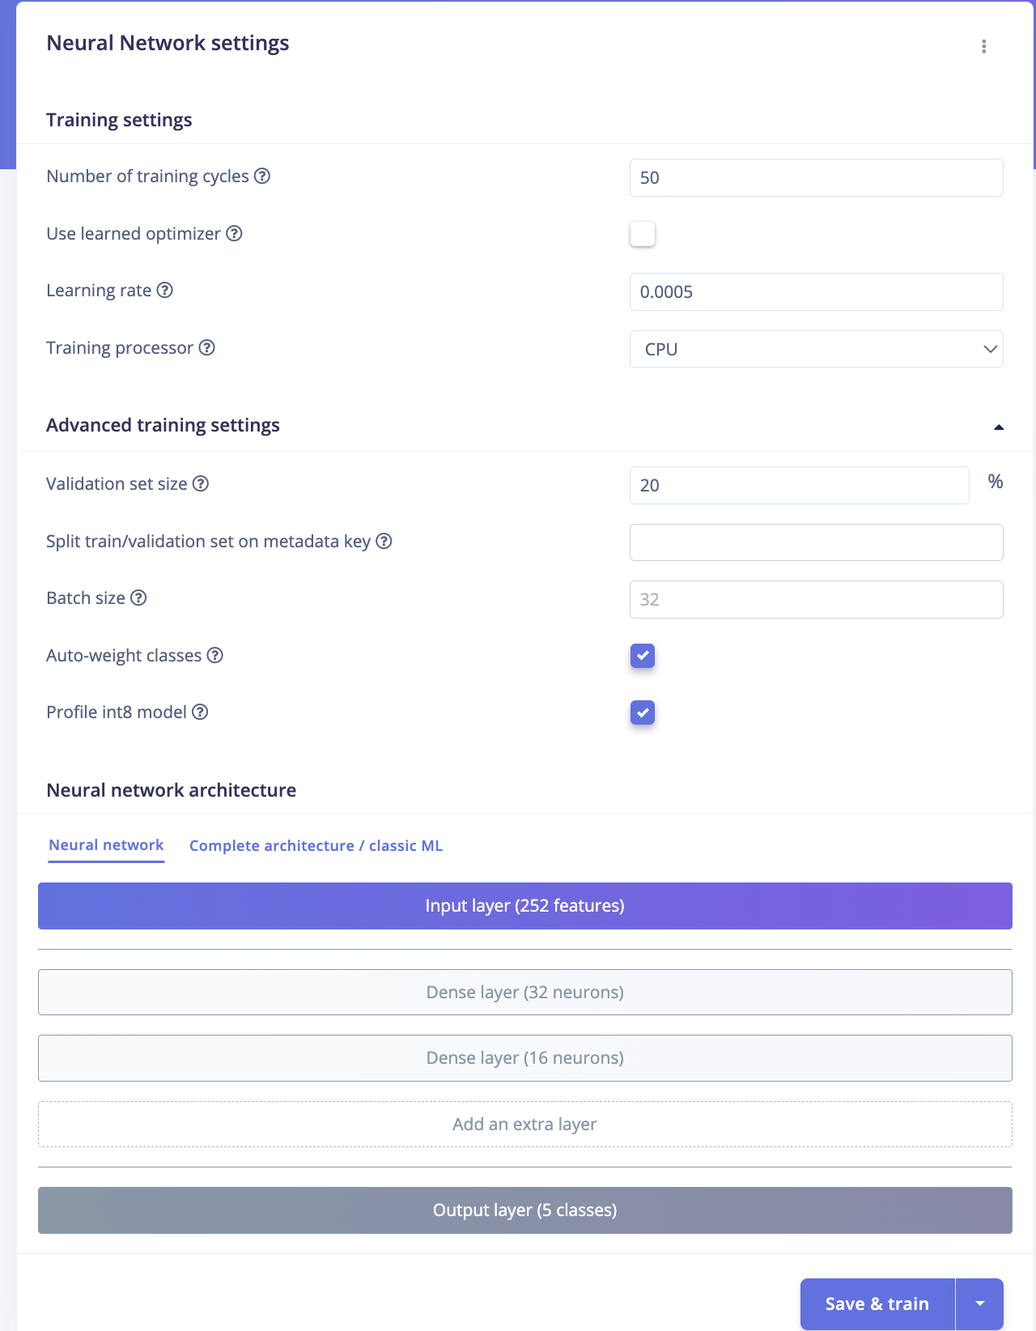
lift_up.6miktk8p | Lizi | lift_up | 3 | medium lid | fast | 1 |  | train
lift_up.6mikv5dd | Lizi | lift_up | 3 | medium lid | fast | 1 |  | train
lift_up.6mikvrl8 | Lizi | lift_up | 3 | medium lid | fast | 1 |  | train
lift_up.6mil1468 | Lizi | lift_up | 3 | medium lid | slow | 1 |  | train
lift_up.6mil1klu | Lizi | lift_up | 3 | medium lid | slow | 1 |  | train
lift_up.6mil24l3 | Lizi | lift_up | 3 | medium lid | slow | 1 |  | train
lift_up.6mil2js3 | Lizi | lift_up | 3 | medium lid | slow | 1 |  | train
lift_up.6mil3ni6 | Lizi | lift_up | 3 | medium lid | slow | 1 |  | train
idle.6mil4vp9.s1 .s2 | Lizi | idle | 3 | medium lid | small ambient vibration | 1 | cut the vegetables | train
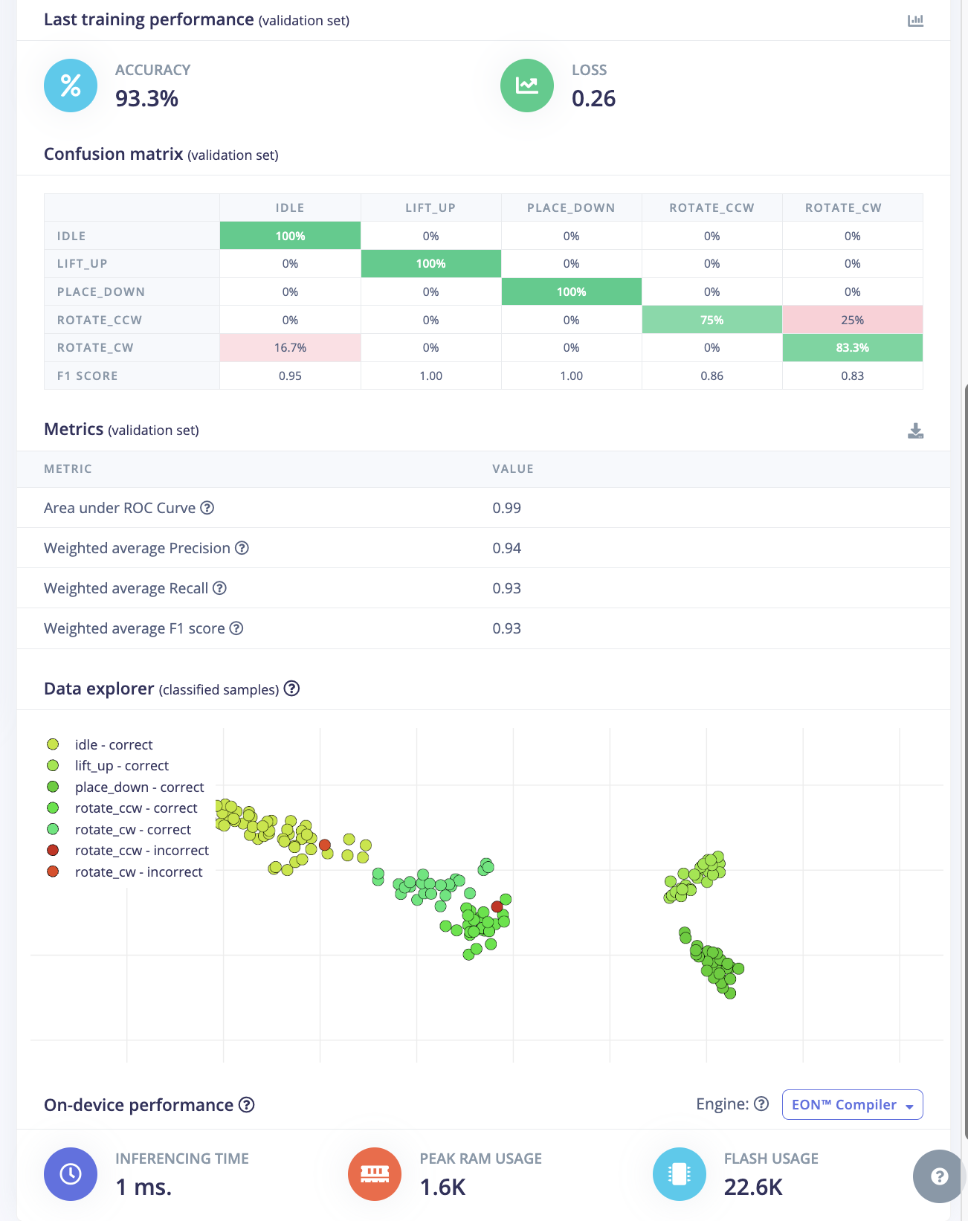
idle.6mil8toe.s1 .s2 | Lizi | idle | 3 | medium lid | small ambient vibration | 1 | cut the vegetables | train
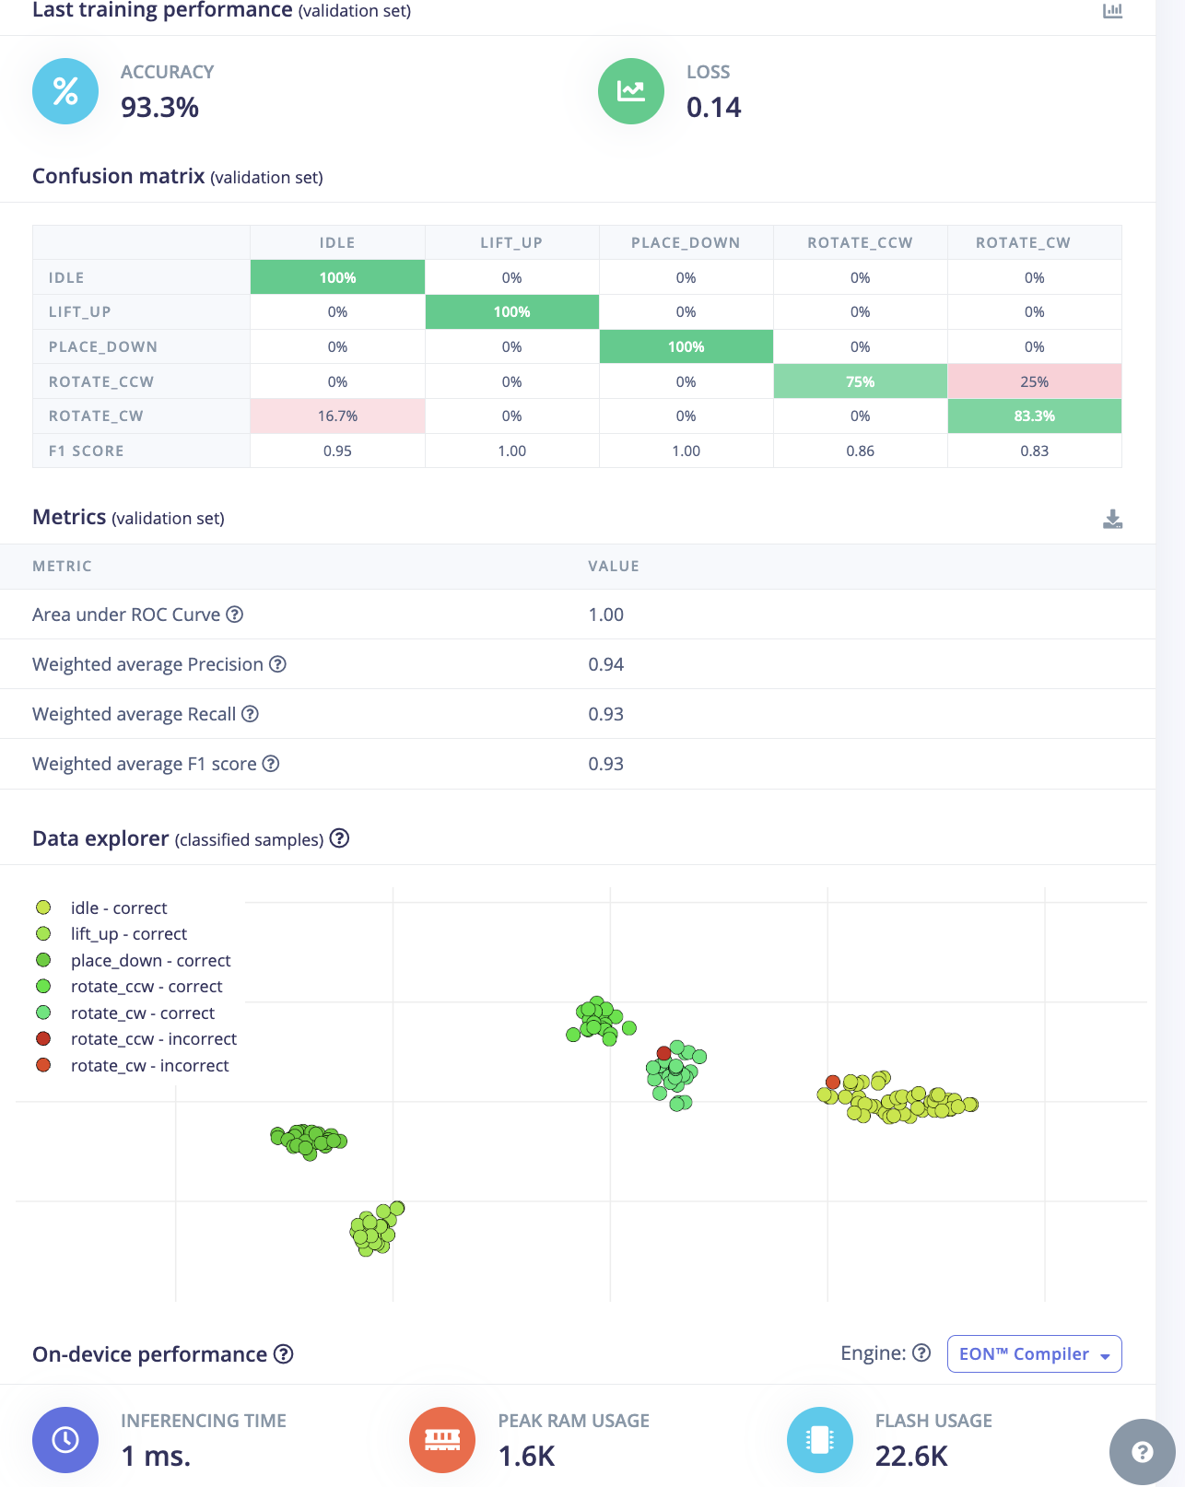
idle.6mil9r3s.s1 .s2 | Lizi | idle | 3 | medium lid | small ambient vibration | 1 | cut the vegetables | train
idle.6milaqdr.s1 .s2 | Lizi | idle | 3 | medium lid | small ambient vibration | 1 | cut the vegetables | train
idle.6milbdhs.s1 .s2 | Lizi | idle | 3 | medium lid | small ambient vibration | 1 | place heavy things | train
idle.6milc8j4.s1 .s2 | Lizi | idle | 3 | medium lid | still | 1 |  | train
idle.6milcr00.s1 .s2 | Lizi | idle | 3 | medium lid | still | 1 |  | train
idle.6mildc13.s1 .s2 | Lizi | idle | 3 | medium lid | still | 1 |  | train
idle.6mile2kn.s1 .s2 | Lizi | idle | 3 | medium lid | still | 1 |  | train
idle.6milemec.s1 .s2 | Lizi | idle | 3 | medium lid | still | 1 |  | train
idle.6milg0nr.s2 | Lizi | idle | 3 | medium lid | position move | 1 | pot move | train
idle.6milh243.s1 .s2 | Lizi | idle | 3 | medium lid | position move | 1 | pot move | train
idle.6milil4c.s1 .s2 | Lizi | idle | 3 | medium lid | position move | 1 | pot move | train
idle.6milj5aj.s1 .s2 | Lizi | idle | 3 | medium lid | position move | 1 | pot move | train
idle.6miljjpp.s1 .s2 | Lizi | idle | 3 | medium lid | position move | 1 | pot move | train
place_down.6milr56l | Lizi | place_down | 3 | medium lid | normal | 1 | not directly fit in pot | test | Testing samples
place_down.6milsuuh | Lizi | place_down | 3 | medium lid | fast | 1 |  | test
place_down.6milto27 | Lizi | place_down | 3 | medium lid | slow | 1 |  | test
place_down.6mim1fev | Lizi | place_down | 3 | medium lid | fast | 1 |  | test
place_down.6mim2g9e | Lizi | place_down | 3 | medium lid | normal | 1 |  | test
rotate_cw.6mim3edi | Lizi | rotate_cw | 3 | medium lid | normal | 1 |  | test
rotate_cw.6mim4a7e | Lizi | rotate_cw | 3 | medium lid | slow | 1 |  | test
rotate_cw.6mim4rpq | Lizi | rotate_cw | 3 | medium lid | fast | 1 |  | test
rotate_cw.6mim5es5 | Lizi | rotate_cw | 3 | medium lid | normal | 1 |  | test
rotate_cw.6mim65s3 | Lizi | rotate_cw | 3 | medium lid | slow | 1 |  | test
rotate_ccw.6mim77j5 | Lizi | rotate_ccw | 3 | medium lid | slow | 1 |  | test |  |  |  |  |  |  |  |  |  |  |  |  | 改了cycle 和learning rate
rotate_ccw.6mim7qv7 | Lizi | rotate_ccw | 3 | medium lid | fast | 1 |  | test
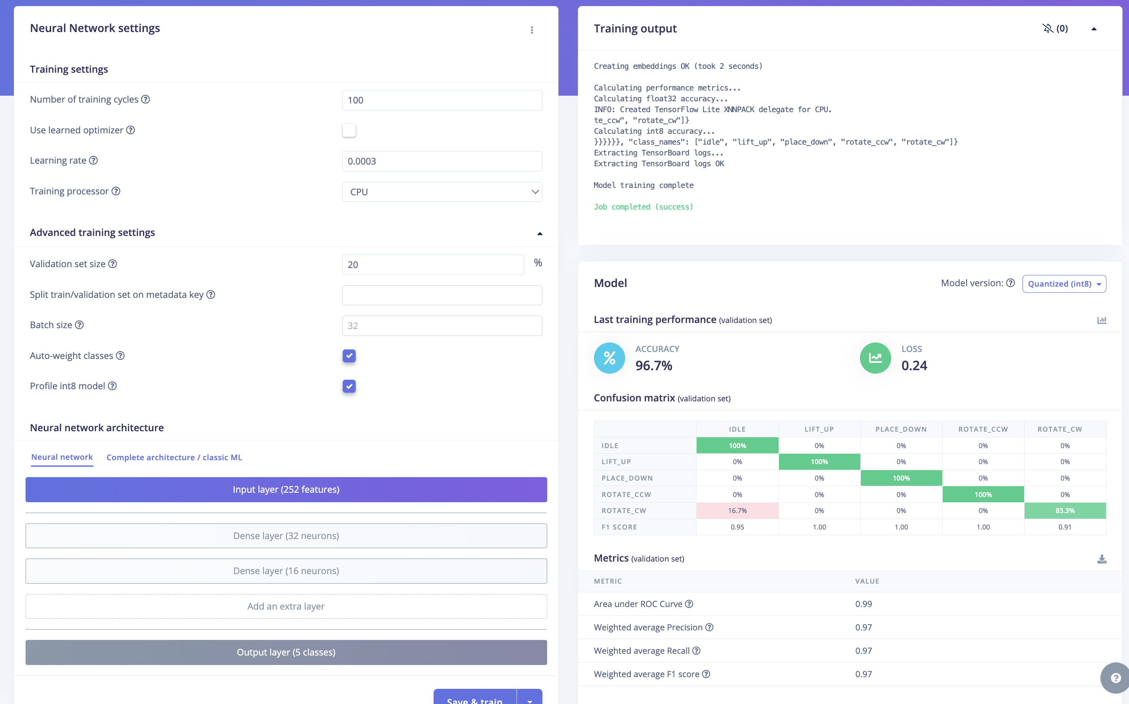
rotate_ccw.6mim8avi | Lizi | rotate_ccw | 3 | medium lid | normal | 1 |  | test |  |  |  |  |  |  |  |  |  |  |  | window size 换成1000ms
rotate_ccw.6mim8rdn | Lizi | rotate_ccw | 3 | medium lid | normal | 1 |  | test
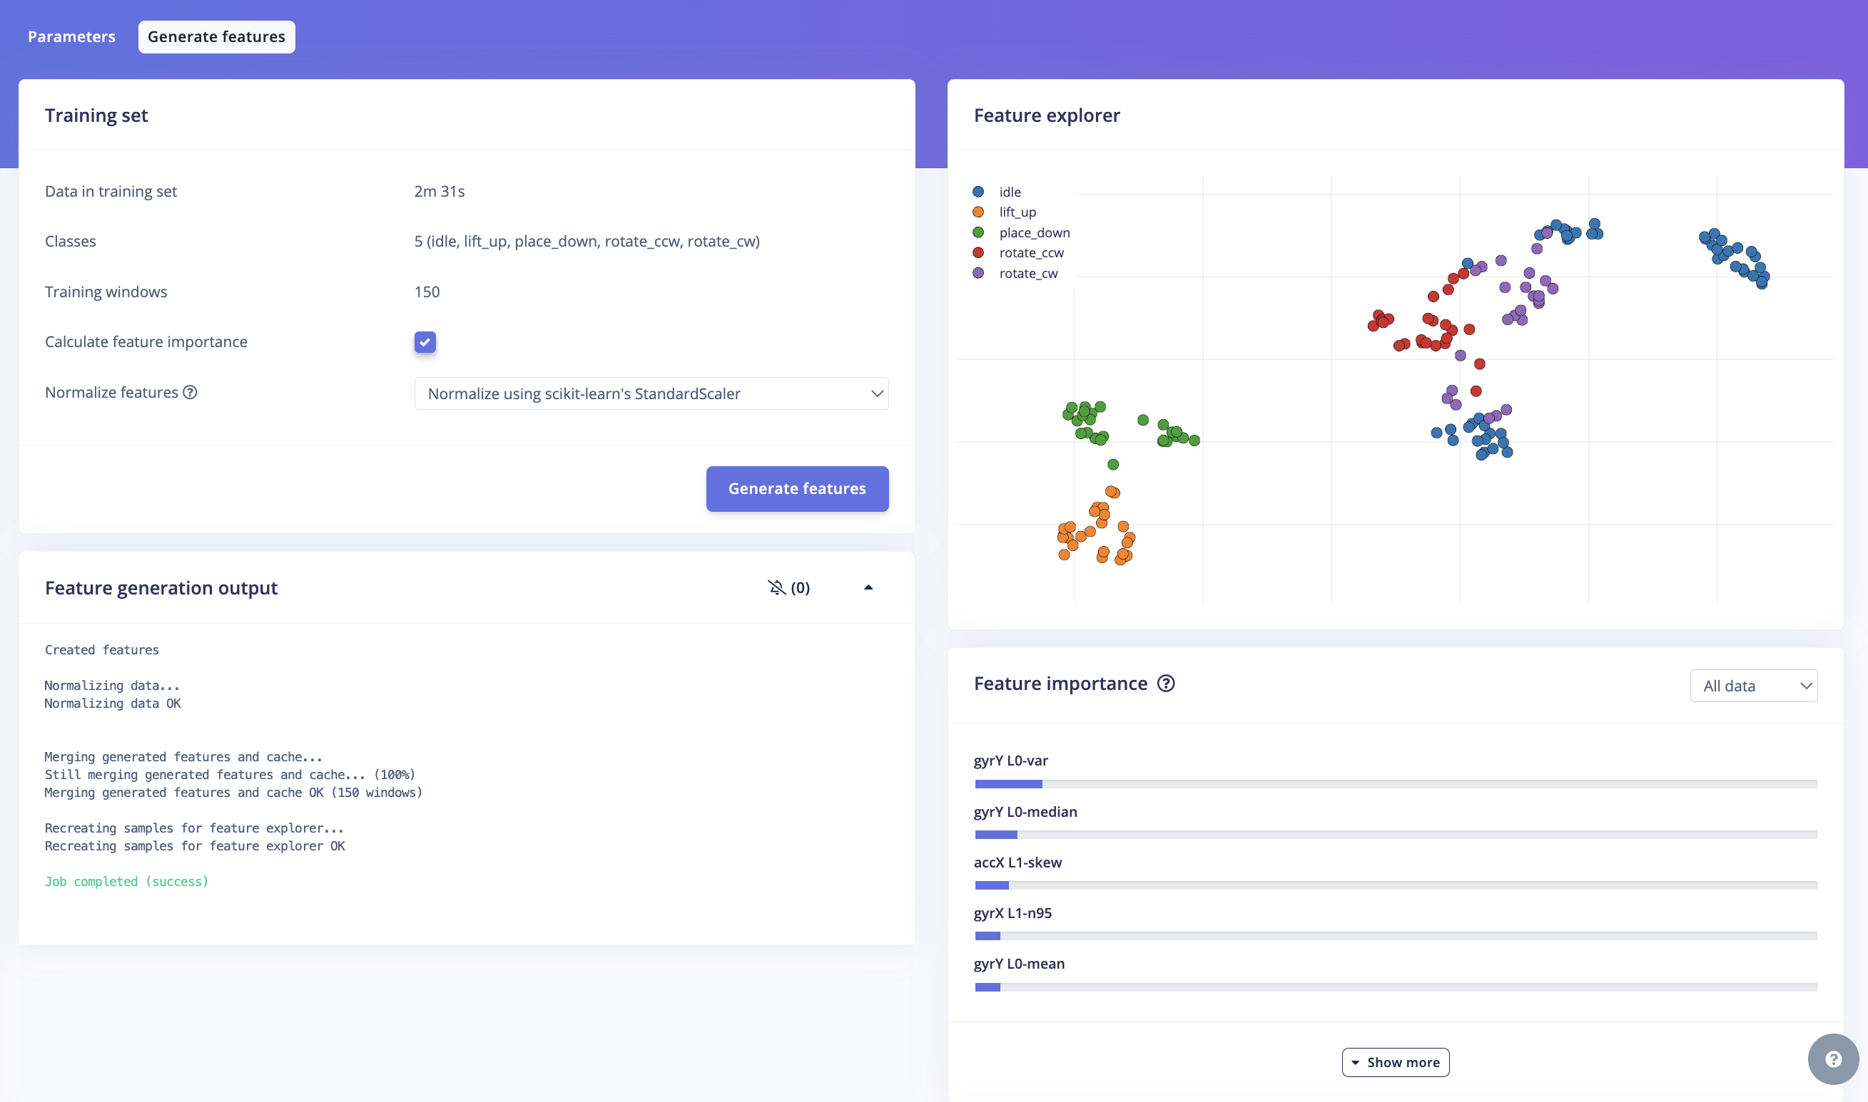
rotate_ccw.6mim9egf | Lizi | rotate_ccw | 3 | medium lid | fast | 1 |  | test
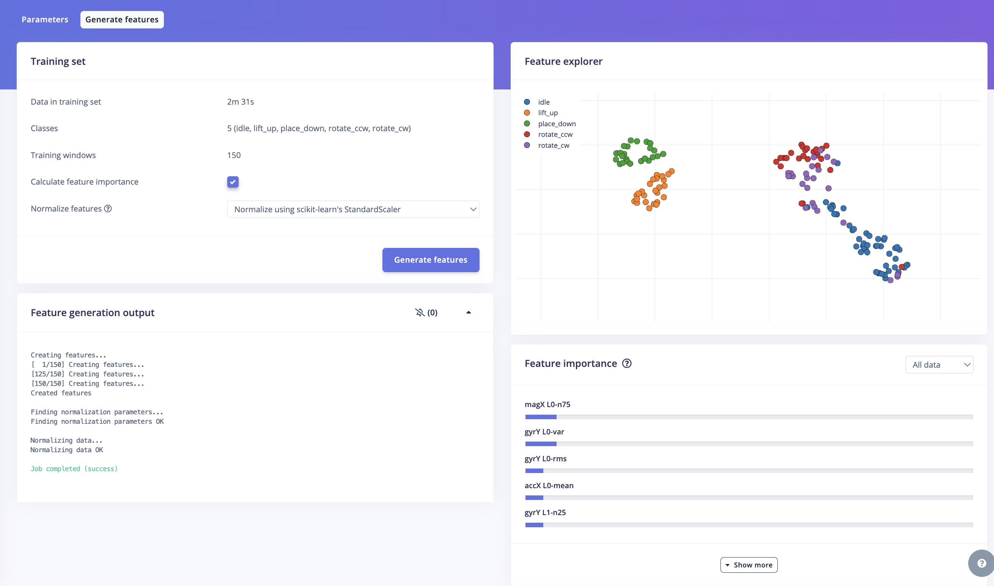
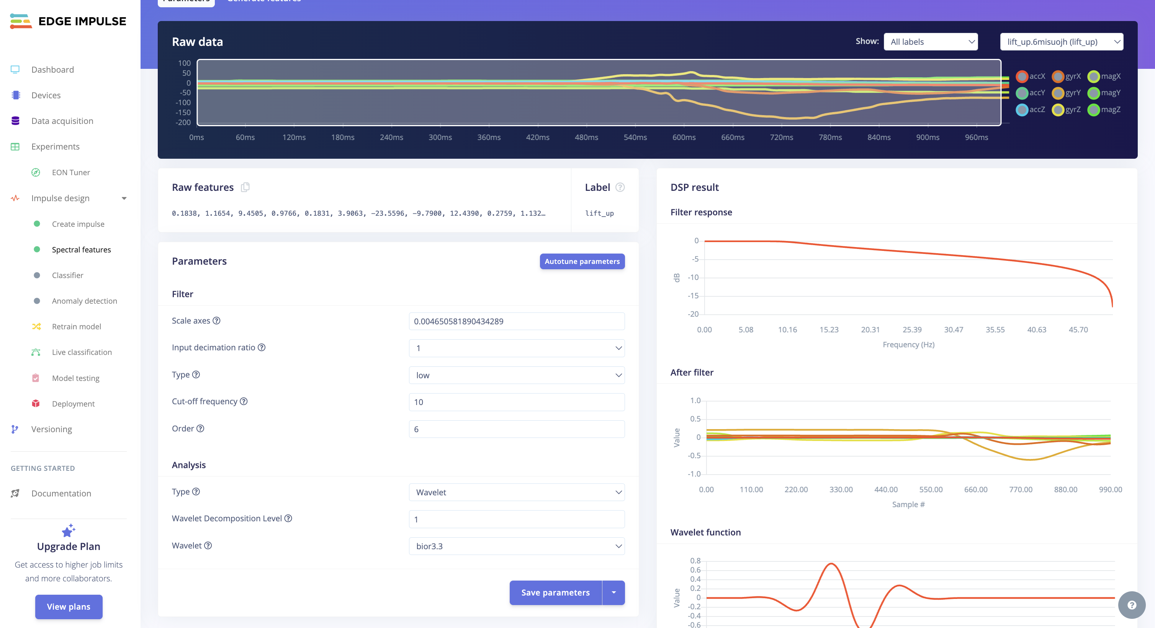
lift_up.6mima6ss | Lizi | lift_up | 3 | medium lid | normal | 1 |  | test
lift_up.6mimas60 | Lizi | lift_up | 3 | medium lid | slow | 1 |  | test
lift_up.6mimbe8t | Lizi | lift_up | 3 | medium lid | fast | 1 |  | test
lifS=lt_up.6mimc0kn | Lizi | lift_up | 3 | medium lid | slow | 1 |  | test
lift_up.6mimd63b | Lizi | lift_up | 3 | medium lid | normal | 1 |  | test
idle.6mimg90a.s1 .s2 | Lizi | idle | 3 | medium lid | position move | 1 |  | test
idle.6mimh7pi.s1 .s2 | Lizi | idle | 3 | medium lid | small ambient vibration | 1 |  | test
idle.6mimi61p.s1 .s2 | Lizi | idle | 3 | medium lid | still | 1 |  | test
idle.6mimild2.s1 .s2 | Lizi | idle | 3 | medium lid | small ambient vibration | 1 |  | test
idle.6mimj6hm.s1 .s2 | Lizi | idle | 3 | medium lid | position move | 1 |  | test
testing.6miob52h | Lizi | place_down | 3 | medium lid |  | 1 | live classfication | test
testing.6mioad5m | Lizi | lift_up | 3 | medium lid |  | 1 | live classfication | test
testing.6mio6nml | Lizi | rotate_cw | 3 | medium lid |  | 1 | live classfication | test
testing.6miod24q | Lizi | rotate_ccw | 3 | medium lid |  | 1 | live classfication | test
testing.6mio7nej.s2 | Lizi | idle | 3 | medium lid |  | 1 | live classfication | test
testing.6mio7nej.s1 | Lizi | idle | 3 | medium lid |  | 1 | live classfication | test
testing.6miodmam | Lizi | idle | 3 | medium lid |  | 1 | live classfication | test
testing.6mio89jj | Lizi | rotate_ccw | 3 | medium lid |  | 1 | live classfication | test
testing.6mio61dr | Lizi | place_down | 3 | medium lid |  | 1 | live classfication | test
testing.6mio4kqe | Lizi | lift_up | 3 | medium lid |  | 1 | live classfication | test
testing.6miocf5j | Lizi | rotate_cw | 3 | medium lid |  | 1 | live classfication | test
idle.6mispbp2 | Lizi | idle | 3 | medium lid | position move | 1 | cuz deleting, retrain once | train | after changing idle from 2s to 1s,
lift_up.6misuojh | Lizi | lift_up | 3 | medium lid | normal | 1 | cuz deleting, retrain once | train
rotate_cw.6miuq55o | Lizi | rotate_cw | 3 | medium lid |  | 1 | cuz deleting, retrain once | train
place_down.6miv3vfh | DD | place_down | 3 | medium lid | normal | 1 | not directly fit in pot | train | DD: straight up and down style
place_down.6miv82sg | DD | place_down | 3 | medium lid | normal | 1 | quite low | train
place_down.6miv8pjv | DD | place_down | 3 | medium lid | normal | 1 |  | train
place_down.6miv98sr | DD | place_down | 3 | medium lid | normal | 1 |  | train
place_down.6miv9onp | DD | place_down | 3 | medium lid | normal | 1 |  | train
place_down.6mivatcg | DD | place_down | 3 | medium lid | light | 1 | little validating | train
place_down.6mivblrd | DD | place_down | 3 | medium lid | light | 1 |  | train | delete
place_down.6mivcinp | DD | place_down | 3 | medium lid | light | 1 |  | train
place_down.6mivd47g | DD | place_down | 3 | medium lid | light | 1 |  | train
place_down.6mivdimu | DD | place_down | 3 | medium lid | light | 1 |  | train
place_down.6mivegno | DD | place_down | 3 | medium lid | light | 1 |  | train
place_down.6mivf6u7 | DD | place_down | 3 | medium lid | heavy | 1 |  | train
place_down.6mivfkql | DD | place_down | 3 | medium lid | heavy | 1 |  | train
place_down.6mivg9cn | DD | place_down | 3 | medium lid | heavy | 1 |  | train
place_down.6mivhhkd | DD | place_down | 3 | medium lid | heavy | 1 |  | train
rotate_cw.6mivlqt5 | DD | rotate_cw | 3 | medium lid | normal | 1 |  | train
rotate_cw.6mivn95b | DD | rotate_cw | 3 | medium lid | fast | 1 |  | train
rotate_cw.6mivoaaf | DD | rotate_cw | 3 | medium lid | normal | 1 |  | train
rotate_cw.6mivookq | DD | rotate_cw | 3 | medium lid | normal | 1 |  | train
rotate_cw.6mivq2o8 | DD | rotate_cw | 3 | medium lid | normal | 1 |  | train
rotate_cw.6mivqi53 | DD | rotate_cw | 3 | medium lid | normal | 1 |  | train
rotate_cw.6mivr569 | DD | rotate_cw | 3 | medium lid | fast | 1 |  | train
rotate_cw.6mivs180 | DD | rotate_cw | 3 | medium lid | fast | 1 |  | train
rotate_cw.6mivtcip | DD | rotate_cw | 3 | medium lid | fast | 1 |  | train
rotate_cw.6mivtrkv | DD | rotate_cw | 3 | medium lid | fast | 1 |  | train
rotate_cw.6mivubsd | DD | rotate_cw | 3 | medium lid | slow | 1 |  | train
rotate_cw.6mivuvhu | DD | rotate_cw | 3 | medium lid | slow | 1 |  | train
rotate_cw.6mivvfeo | DD | rotate_cw | 3 | medium lid | slow | 1 |  | train
rotate_cw.6mj03gfb | DD | rotate_cw | 3 | medium lid | slow | 1 |  | train
rotate_cw.6mj02c99 | DD | rotate_cw | 3 | medium lid | slow | 1 |  | train
rotate_ccw.6mj05r34 | DD | rotate_ccw | 3 | medium lid | normal | 1 |  | train
rotate_ccw.6mj06cl1 | DD | rotate_ccw | 3 | medium lid | normal | 1 |  | train
rotate_ccw.6mj06sdd | DD | rotate_ccw | 3 | medium lid | normal | 1 |  | train
rotate_ccw.6mj07gbq | DD | rotate_ccw | 3 | medium lid | normal | 1 |  | train
rotate_ccw.6mj0858l | DD | rotate_ccw | 3 | medium lid | normal | 1 |  | train
rotate_ccw.6mj08nu7 | DD | rotate_ccw | 3 | medium lid | fast | 1 |  | train
rotate_ccw.6mj0969o | DD | rotate_ccw | 3 | medium lid | fast | 1 |  | train
rotate_ccw.6mj09q2m | DD | rotate_ccw | 3 | medium lid | fast | 1 |  | train
rotate_ccw.6mj0apha | DD | rotate_ccw | 3 | medium lid | fast | 1 |  | train
rotate_ccw.6mj0bj22 | DD | rotate_ccw | 3 | medium lid | fast | 1 |  | train
rotate_ccw.6mj0c2be | DD | rotate_ccw | 3 | medium lid | slow | 1 |  | train
rotate_ccw.6mj0d9lt | DD | rotate_ccw | 3 | medium lid | slow | 1 |  | train
rotate_ccw.6mj0ea4d | DD | rotate_ccw | 3 | medium lid | slow | 1 |  | train
rotate_ccw.6mj0f46n | DD | rotate_ccw | 3 | medium lid | slow | 1 |  | train
rotate_ccw.6mj0fnii | DD | rotate_ccw | 3 | medium lid | slow | 1 |  | train
lift_up.6mj0ieo9 | DD | lift_up | 3 | medium lid | normal | 1 |  | train
lift_up.6mj0j8f0 | DD | lift_up | 3 | medium lid | normal | 1 |  | train
lift_up.6mj0jtf3 | DD | lift_up | 3 | medium lid | normal | 1 |  | train
lift_up.6mj0kbm5 | DD | lift_up | 3 | medium lid | normal | 1 |  | train
lifp.6mj0kvpn | DD | lift_up | 3 | medium lid | normal | 1 |  | train
lift_up.6mj0lgi5 | DD | lift_up | 3 | medium lid | fast | 1 |  | train
lift_up.6mj0lv57 | DD | lift_up | 3 | medium lid | fast | 1 |  | train
lift_up.6mj0noab | DD | lift_up | 3 | medium lid | fast | 1 |  | train
lift_up.6mj0o6hd | DD | lift_up | 3 | medium lid | fast | 1 |  | train
lift_up.6mj0or5t | DD | lift_up | 3 | medium lid | fast | 1 |  | train
lift_up.6mj0qmdr | DD | lift_up | 3 | medium lid | slow | 1 |  | train
lift_up.6mj0r8id | DD | lift_up | 3 | medium lid | slow | 1 |  | train
lift_up.6mj0rpfl | DD | lift_up | 3 | medium lid | slow | 1 |  | train
lift_up.6mj0s78m | DD | lift_up | 3 | medium lid | slow | 1 |  | train
lift_up.6mj0sk6o | DD | lift_up | 3 | medium lid | slow | 1 |  | train
place_down.6mj13srm | DD | place_down | 3 | medium lid | normal | 1 |  | test
place_down.6mj15p9s | DD | place_down | 3 | medium lid | heavy | 1 |  | test
place_down.6mj16dkt | DD | place_down | 3 | medium lid | slow | 1 |  | test
place_down.6mj170ir | DD | place_down | 3 | medium lid | heavy | 1 |  | test
place_down.6mj17fr6 | DD | place_down | 3 | medium lid | slow | 1 |  | test
rotate_cw.6mj18vi9 | DD | rotate_cw | 3 | medium lid | fast | 1 | 90 degree | test
rotate_cw.6mj1a0g3 | DD | rotate_cw | 3 | medium lid | normal | 1 |  | test
rotate_cw.6mj1ahrr | DD | rotate_cw | 3 | medium lid | fast | 1 | 30 degree | test
rotate_cw.6mj1ba0d | DD | rotate_cw | 3 | medium lid | normal | 1 | 60 degree | test
rotate_cw.6mj1ca5i | DD | rotate_cw | 3 | medium lid | slow | 1 |  | test
rotate_ccw.6mj1i23k | DD | rotate_ccw | 3 | medium lid | slow | 1 |  | test
rotate_ccw.6mj1f19g | DD | rotate_ccw | 3 | medium lid | fast | 1 |  | test
rotate_ccw.6mj1ihnv | DD | rotate_ccw | 3 | medium lid | fast | 1 |  | test
rotate_ccw.6mj1jb3e | DD | rotate_ccw | 3 | medium lid | normal | 1 |  | test
rotate_ccw.6mj1kqcn | DD | rotate_ccw | 3 | medium lid | normal | 1 | 45 degree | test
lift_up.6mj1ltm9 | DD | lift_up | 3 | medium lid | normal | 1 |  | test
lift_up.6mj1n5tb | DD | lift_up | 3 | medium lid | fast | 1 |  | test
lift_up.6mj1nk1p | DD | lift_up | 3 | medium lid | normal | 1 |  | test
lift_up.6mj1o3ai | DD | lift_up | 3 | medium lid | slow | 1 |  | test
lift_up.6mj1op6d | DD | lift_up | 3 | medium lid | slow | 1 |  | test

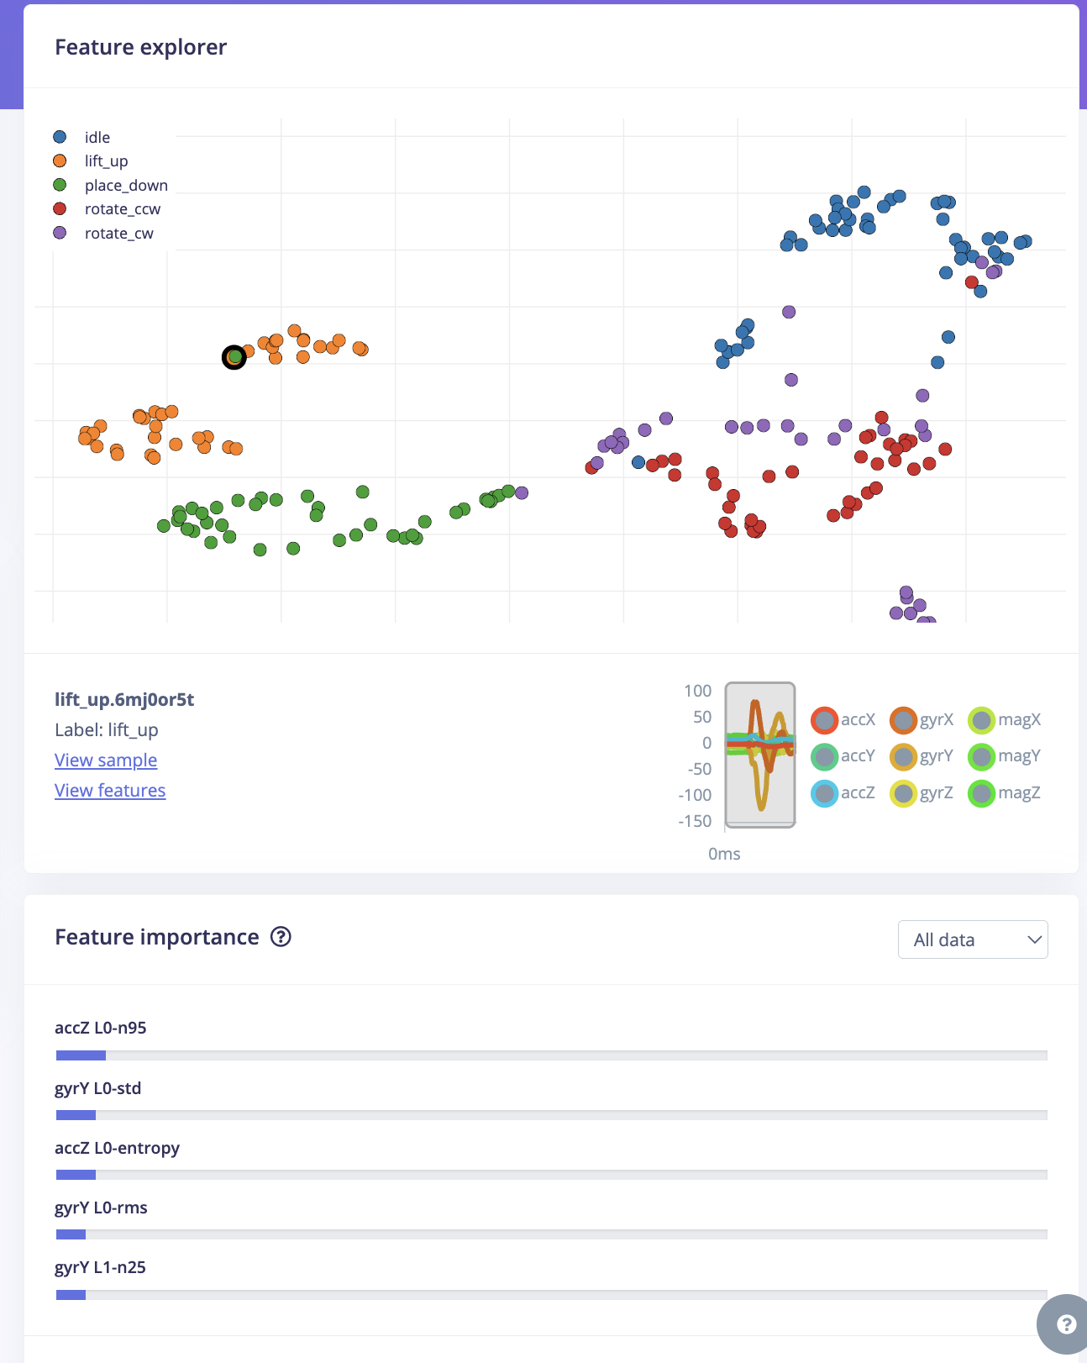
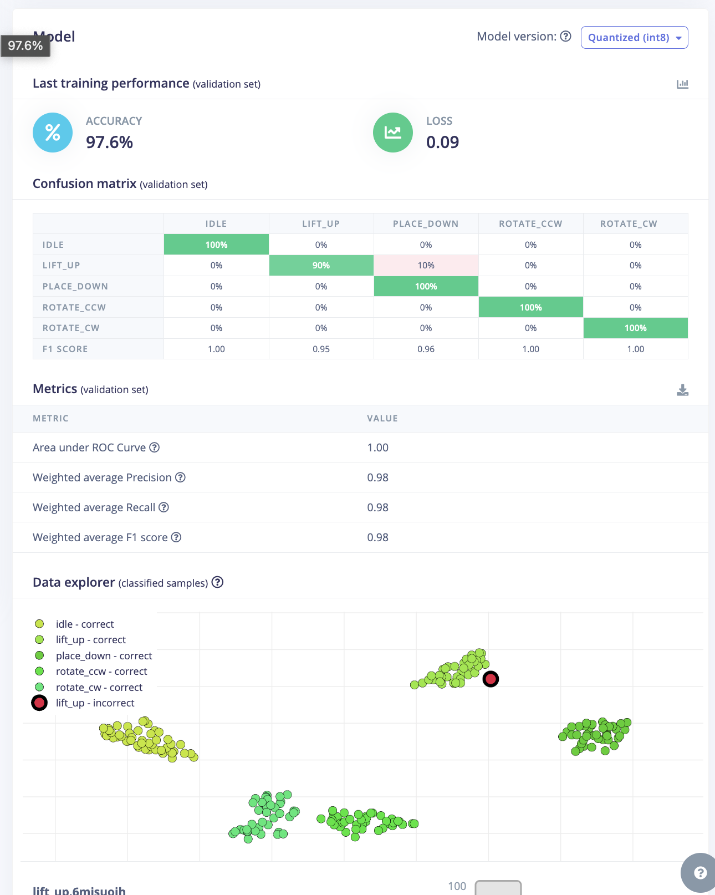
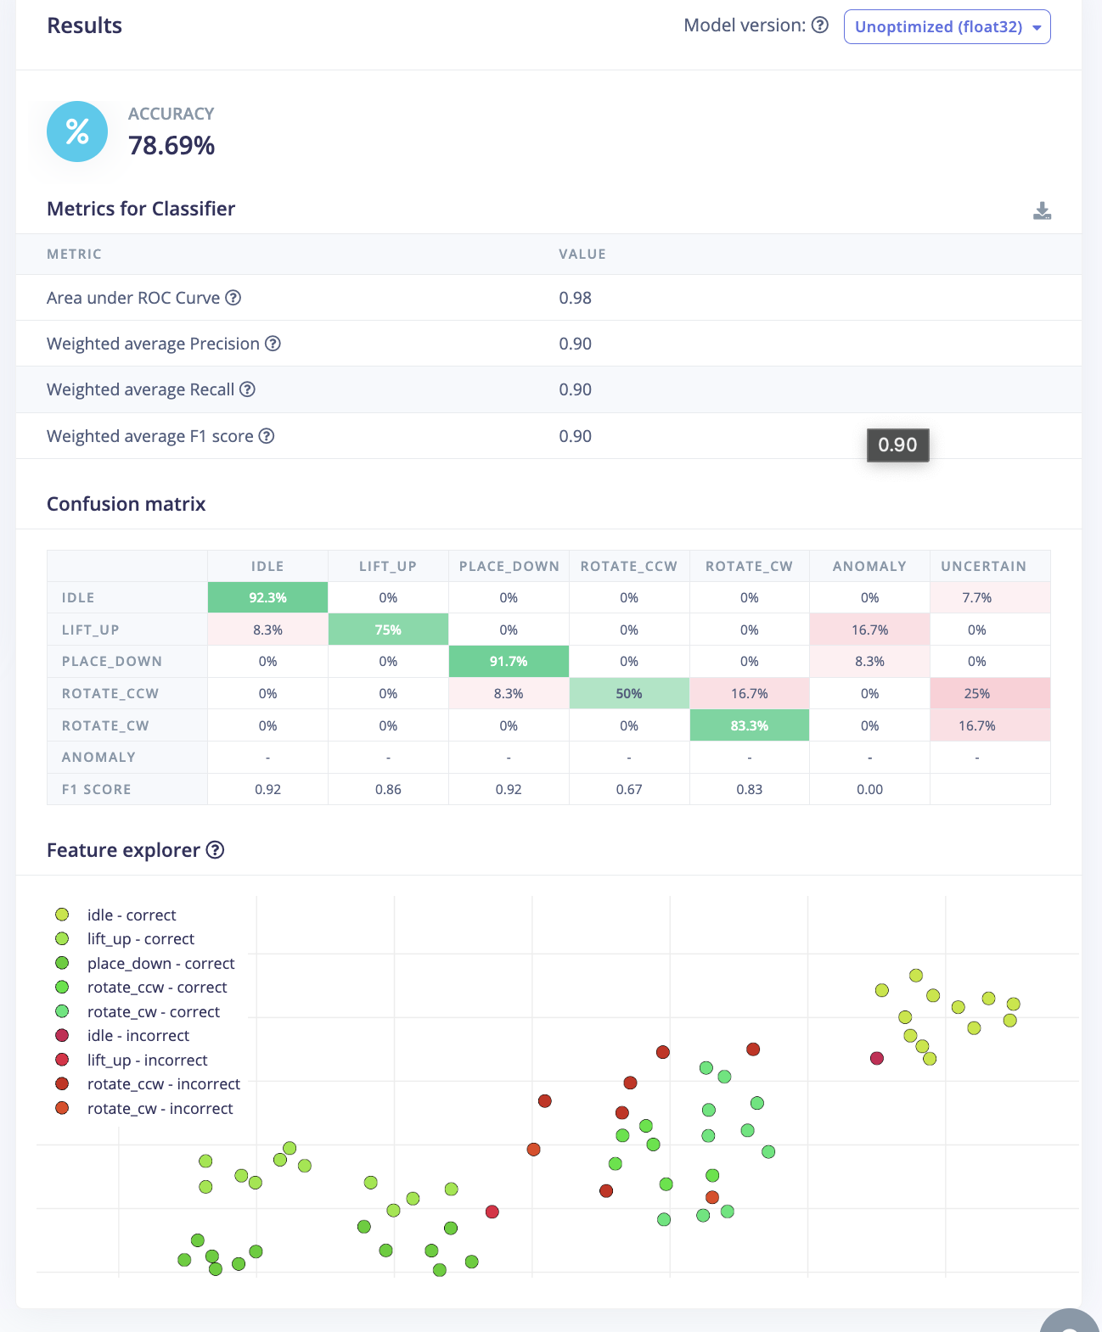

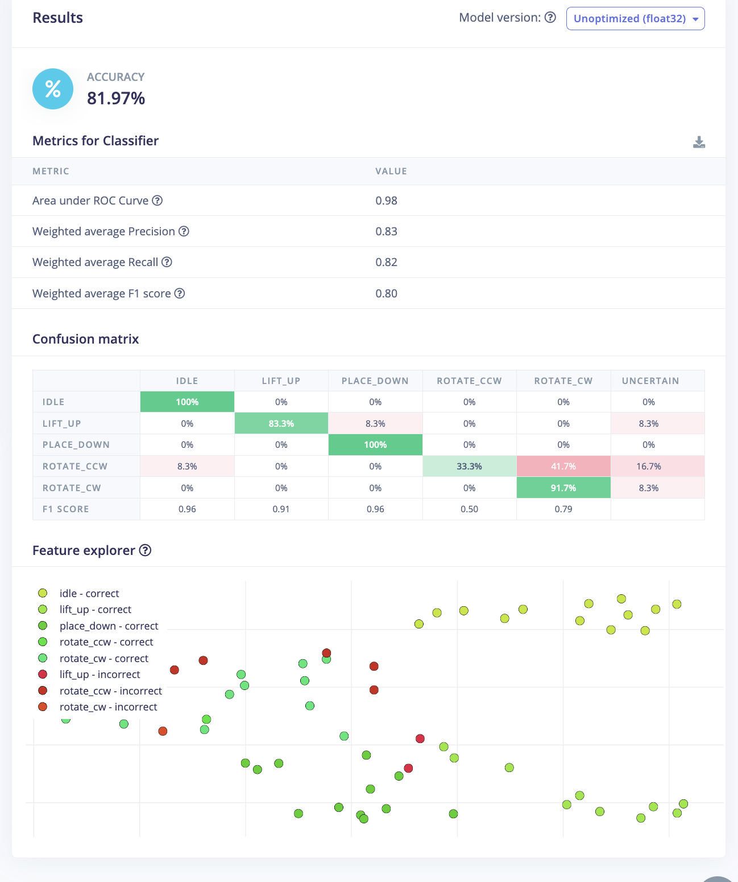
Switching from wavelet to DB4 usually makes it more sensitive to motion trends. |  |  |  |  |  | 去掉了anomy
Change the number of dense layers to 20-10 to reduce model complexity (prevent overfitting). |  |  |  |  |  | 去掉了干扰数据，波形录入像idle的
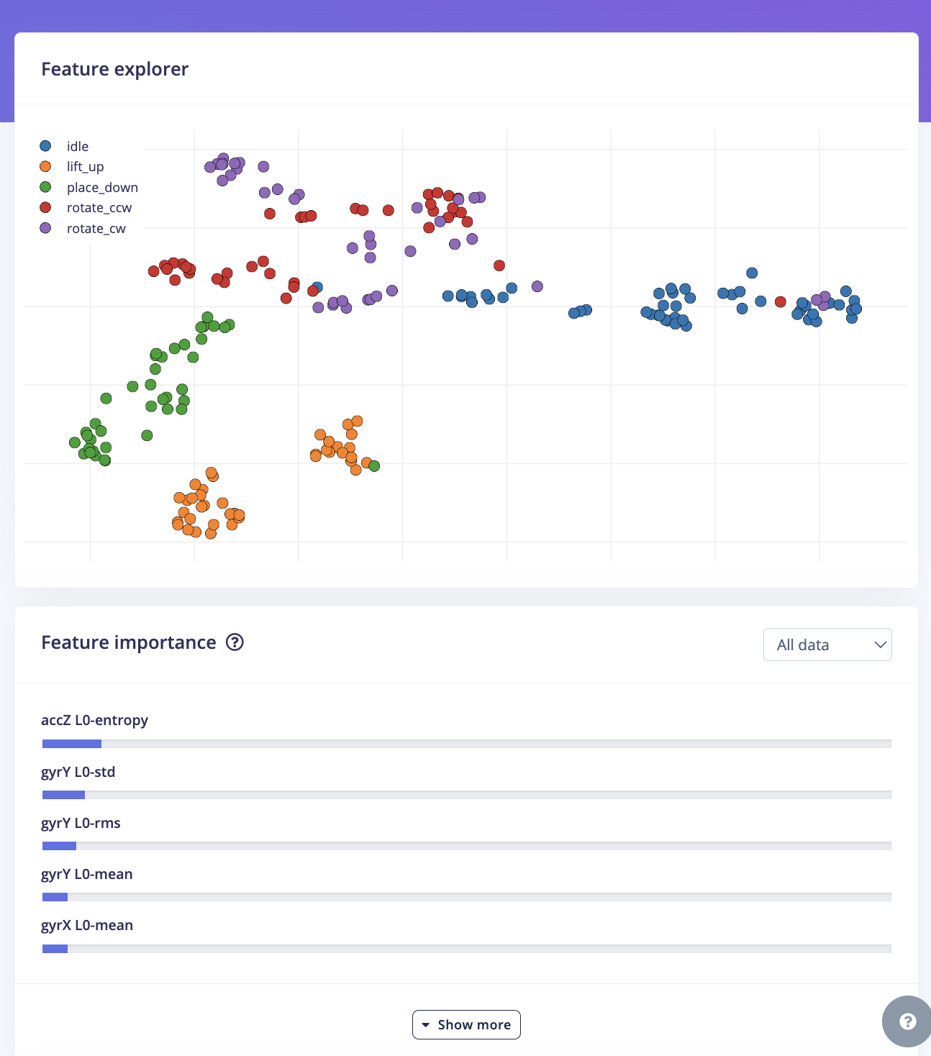
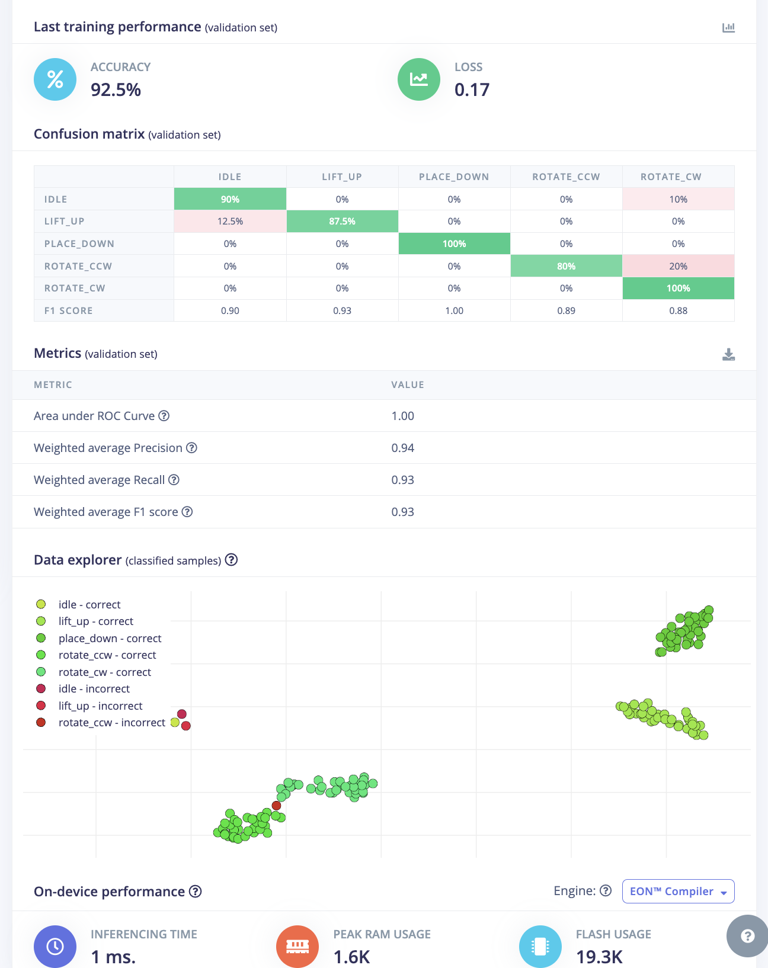

lift_up | gyrY | gyrX | gyrZ
rotate_cw | gyrZ | gyrY
place_down | gyrY | gyrX
idle | gyrZ
rotate_ccw | gyrZ | gyrY

